WEO Update July 2022
 |  |  | 2022-07-26

International Monetary Fund
World Economic Outlook


July 2022

World Economic Outlook Update

This datafile includes tables, charts, and underlying data from the July 2022 World Economic Outlook Update. When using the data, please refer to the
IMF, World Economic Outlook Update, July 2022.

 | Please submit any questions using | WEO Data Question Form

Figure 1
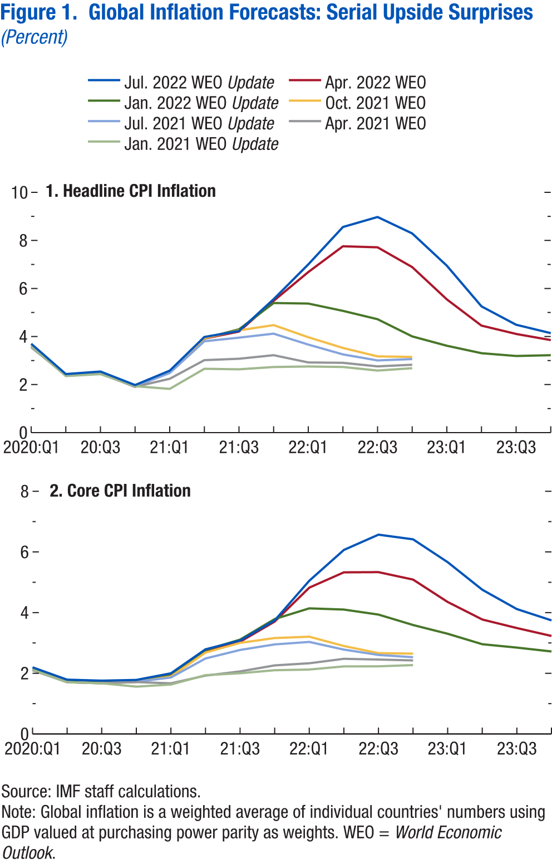
World Economic Outlook, July 2022 Update
 | Figure 1. Global Inflation Forecasts: Serial Upside Surprises
 | (Percent)

 | 1. Headline CPI Inflation |  |  |  |  |  |  |  | 2. Core CPI Inflation

 |  | Jan. 2021 WEO Update | Apr. 2021 WEO | Jul. 2021 WEO Update | Oct. 2021 WEO | Jan. 2022 WEO Update | Apr. 2022 WEO | Jul. 2022 WEO Update |  | Jan. 2021 WEO Update | Apr. 2021 WEO | Jul. 2021 WEO Update | Oct. 2021 WEO | Jan. 2022 WEO Update | Apr. 2022 WEO | Jul. 2022 WEO Update
 | 2020Q1 | 3.6 | 3.6 | 3.6 | 3.6 | 3.6 | 3.6 | 3.7 | 2020Q1 | 2.1 | 2.1 | 2.1 | 2.1 | 2.1 | 2.1 | 2.2
 | 2020Q2 | 2.4 | 2.4 | 2.4 | 2.4 | 2.4 | 2.4 | 2.4 | 2020Q2 | 1.7 | 1.7 | 1.7 | 1.7 | 1.7 | 1.7 | 1.8
 | 2020Q3 | 2.4 | 2.5 | 2.5 | 2.5 | 2.5 | 2.5 | 2.5 | 2020Q3 | 1.7 | 1.7 | 1.7 | 1.7 | 1.7 | 1.7 | 1.8
 | 2020Q4 | 1.9 | 1.9 | 1.9 | 1.9 | 1.9 | 1.9 | 2.0 | 2020Q4 | 1.6 | 1.7 | 1.7 | 1.7 | 1.7 | 1.7 | 1.8
 | 2021Q1 | 1.8 | 2.2 | 2.5 | 2.5 | 2.5 | 2.5 | 2.6 | 2021Q1 | 1.6 | 1.7 | 1.9 | 1.9 | 2.0 | 1.9 | 2.0
 | 2021Q2 | 2.7 | 3.0 | 3.8 | 3.9 | 3.9 | 3.9 | 4.0 | 2021Q2 | 1.9 | 1.9 | 2.5 | 2.7 | 2.8 | 2.7 | 2.8
 | 2021Q3 | 2.6 | 3.1 | 4.0 | 4.3 | 4.3 | 4.2 | 4.2 | 2021Q3 | 2.0 | 2.1 | 2.8 | 3.0 | 3.1 | 3.0 | 3.1
 | 2021Q4 | 2.7 | 3.2 | 4.1 | 4.5 | 5.4 | 5.5 | 5.6 | 2021Q4 | 2.1 | 2.3 | 3.0 | 3.2 | 3.8 | 3.7 | 3.7
 | 2022Q1 | 2.8 | 2.9 | 3.7 | 4.0 | 5.4 | 6.7 | 7.0 | 2022Q1 | 2.1 | 2.3 | 3.0 | 3.2 | 4.1 | 4.8 | 5.1
 | 2022Q2 | 2.7 | 2.9 | 3.3 | 3.5 | 5.1 | 7.8 | 8.6 | 2022Q2 | 2.2 | 2.5 | 2.8 | 2.9 | 4.1 | 5.3 | 6.1
 | 2022Q3 | 2.6 | 2.8 | 3.0 | 3.2 | 4.7 | 7.7 | 9.0 | 2022Q3 | 2.2 | 2.5 | 2.6 | 2.7 | 3.9 | 5.3 | 6.6
 | 2022Q4 | 2.7 | 2.8 | 3.1 | 3.2 | 4.0 | 6.9 | 8.3 | 2022Q4 | 2.3 | 2.4 | 2.5 | 2.6 | 3.6 | 5.1 | 6.4
 | 2023Q1 |  |  |  |  | 3.6 | 5.5 | 6.9 | 2023Q1 |  |  |  |  | 3.3 | 4.4 | 5.7
 | 2023Q2 |  |  |  |  | 3.3 | 4.5 | 5.3 | 2023Q2 |  |  |  |  | 3.0 | 3.8 | 4.8
 | 2023Q3 |  |  |  |  | 3.2 | 4.1 | 4.5 | 2023Q3 |  |  |  |  | 2.8 | 3.5 | 4.1
 | 2023Q4 |  |  |  |  | 3.2 | 3.9 | 4.1 | 2023Q4 |  |  |  |  | 2.7 | 3.2 | 3.7

Figure 2
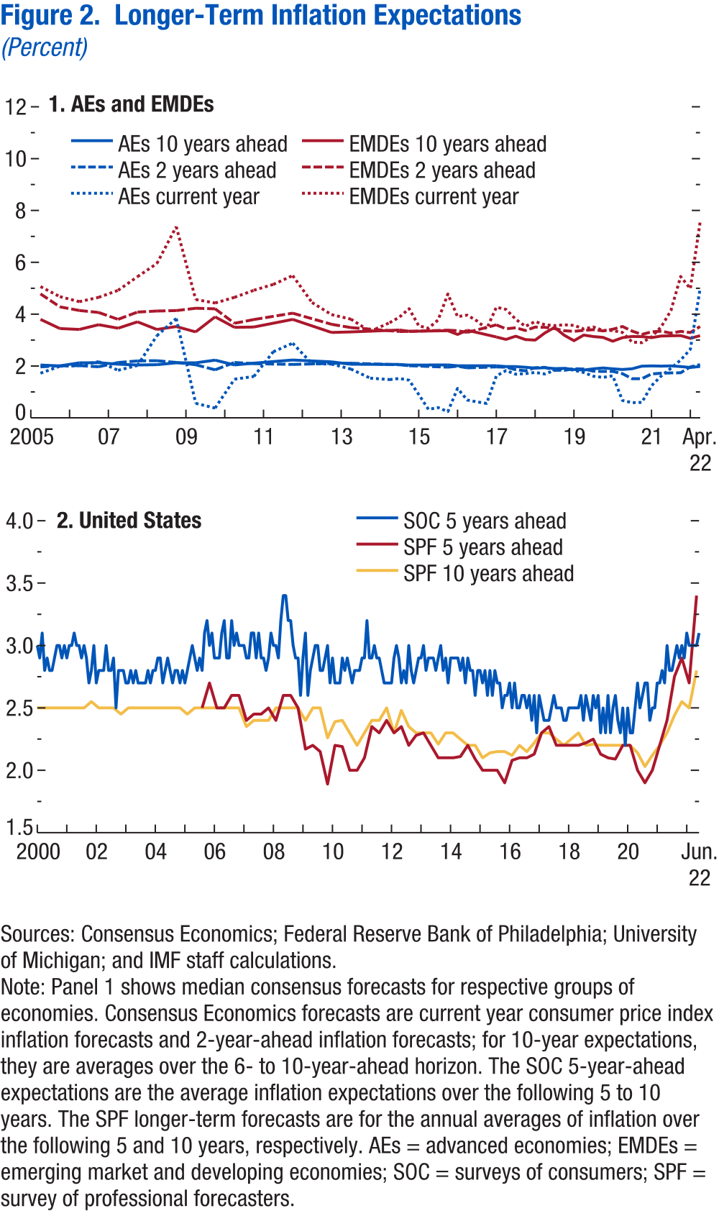
World Economic Outlook, July 2022 Update
 | Figure 2. Longer-Term Inflation Expectations
 | (Percent)

 | 1. AEs and EMDEs |  |  |  |  |  |  | 2. United States

 |  | AEs current year | EMDEs current year | AEs 10 years ahead | EMDEs 10 years ahead | AEs 2 years ahead | EMDEs 2 years ahead | Data not available
 | 2005-04-01 | 1.7 | 5.1 | 2.0 | 3.8 | 2.0 | 4.8
 | 2005-10-01 | 2.0 | 4.7 | 2.0 | 3.4 | 2.0 | 4.3
 | 2006-04-01 | 2.0 | 4.5 | 2.1 | 3.4 | 2.0 | 4.1
 | 2006-10-01 | 2.2 | 4.6 | 2.1 | 3.6 | 2.0 | 4.1
 | 2007-04-01 | 1.8 | 4.9 | 2.1 | 3.5 | 2.1 | 3.8
 | 2007-10-01 | 2.0 | 5.4 | 2.0 | 3.7 | 2.2 | 4.1
 | 2008-04-01 | 3.2 | 6.0 | 2.1 | 3.4 | 2.2 | 4.1
 | 2008-10-01 | 3.8 | 7.4 | 2.1 | 3.5 | 2.1 | 4.1
 | 2009-04-01 | 0.6 | 4.6 | 2.1 | 3.3 | 2.0 | 4.2
 | 2009-10-01 | 0.4 | 4.4 | 2.2 | 3.9 | 1.9 | 4.2
 | 2010-04-01 | 1.5 | 4.6 | 2.0 | 3.5 | 2.1 | 3.6
 | 2010-10-01 | 1.6 | 4.9 | 2.1 | 3.5 | 2.1 | 3.8
 | 2011-04-01 | 2.6 | 5.1 | 2.2 | 3.5 | 2.1 | 3.8
 | 2011-10-01 | 2.9 | 5.5 | 2.2 | 3.8 | 2.1 | 4.0
 | 2012-04-01 | 2.1 | 4.4 | 2.1 | 3.4 | 2.1 | 3.6
 | 2012-10-01 | 2.1 | 4.0 | 2.2 | 3.3 | 2.1 | 3.6
 | 2013-04-01 | 1.9 | 3.8 | 2.1 | 3.3 | 2.1 | 3.5
 | 2013-10-01 | 1.5 | 3.3 | 2.1 | 3.3 | 2.1 | 3.4
 | 2014-04-01 | 1.5 | 3.7 | 2.1 | 3.4 | 2.0 | 3.4
 | 2014-07-01 | 1.5 | 3.9 | 2.1 | 3.4 | 2.0 | 3.3
 | 2014-10-01 | 1.5 | 4.2 | 2.0 | 3.3 | 2.0 | 3.3
 | 2015-01-01 | 0.9 | 3.6 | 2.0 | 3.5 | 2.0 | 3.3
 | 2015-04-01 | 0.3 | 3.5 | 2.0 | 3.4 | 2.0 | 3.3
 | 2015-07-01 | 0.4 | 3.8 | 2.0 | 3.2 | 2.0 | 3.2
 | 2015-10-01 | 0.2 | 4.8 | 2.0 | 3.4 | 2.0 | 3.4
 | 2016-01-01 | 1.1 | 3.9 | 2.0 | 3.2 | 2.0 | 3.4
 | 2016-04-01 | 0.7 | 4.0 | 2.0 | 3.4 | 1.9 | 3.3
 | 2016-07-01 | 0.6 | 3.7 | 2.0 | 3.3 | 1.9 | 3.4
 | 2016-10-01 | 0.6 | 3.4 | 2.0 | 3.3 | 1.8 | 3.3
 | 2017-01-01 | 1.6 | 4.3 | 2.0 | 3.1 | 2.0 | 3.6
 | 2017-04-01 | 1.8 | 4.2 | 2.0 | 3.0 | 2.0 | 3.4
 | 2017-07-01 | 1.7 | 3.8 | 2.0 | 3.2 | 1.9 | 3.5
 | 2017-10-01 | 1.7 | 3.5 | 2.0 | 3.0 | 1.8 | 3.4
 | 2018-01-01 | 1.8 | 3.7 | 1.9 | 3.0 | 1.9 | 3.5
 | 2018-04-01 | 1.7 | 3.6 | 1.9 | 3.3 | 1.9 | 3.5
 | 2018-07-01 | 1.8 | 3.6 | 1.9 | 3.5 | 1.8 | 3.4
 | 2018-10-01 | 1.9 | 3.6 | 1.9 | 3.2 | 1.8 | 3.4
 | 2019-01-01 | 1.8 | 3.6 | 1.9 | 3.0 | 1.9 | 3.3
 | 2019-04-01 | 1.7 | 3.4 | 1.8 | 3.2 | 1.9 | 3.4
 | 2019-07-01 | 1.6 | 3.5 | 1.9 | 3.1 | 1.8 | 3.4
 | 2019-10-01 | 1.6 | 3.4 | 1.9 | 3.1 | 1.8 | 3.4
 | 2020-01-01 | 1.6 | 3.4 | 1.9 | 3.0 | 1.8 | 3.4
 | 2020-04-01 | 0.7 | 3.3 | 1.9 | 3.1 | 1.7 | 3.5
 | 2020-07-01 | 0.6 | 2.9 | 1.9 | 3.1 | 1.5 | 3.3
 | 2020-10-01 | 0.6 | 2.9 | 2.0 | 3.1 | 1.5 | 3.2
 | 2021-01-01 | 1.2 | 3.1 | 2.0 | 3.1 | 1.7 | 3.3
 | 2021-04-01 | 1.6 | 3.5 | 2.0 | 3.2 | 1.7 | 3.3
 | 2021-07-01 | 1.9 | 4.1 | 2.0 | 3.2 | 1.7 | 3.3
 | 2021-10-01 | 2.2 | 5.5 | 2.0 | 3.2 | 1.7 | 3.3
 | 2022-01-01 | 2.6 | 5.0 | 1.9 | 3.1 | 2.0 | 3.3
 | 2022-04-01 | 5.0 | 7.5 | 2.0 | 3.2 | 2.1 | 3.5

Figure 3
World Economic Outlook, July 2022 Update
 | Figure 3. China: COVID-19 Outbreaks and Supply Chain Disruptions
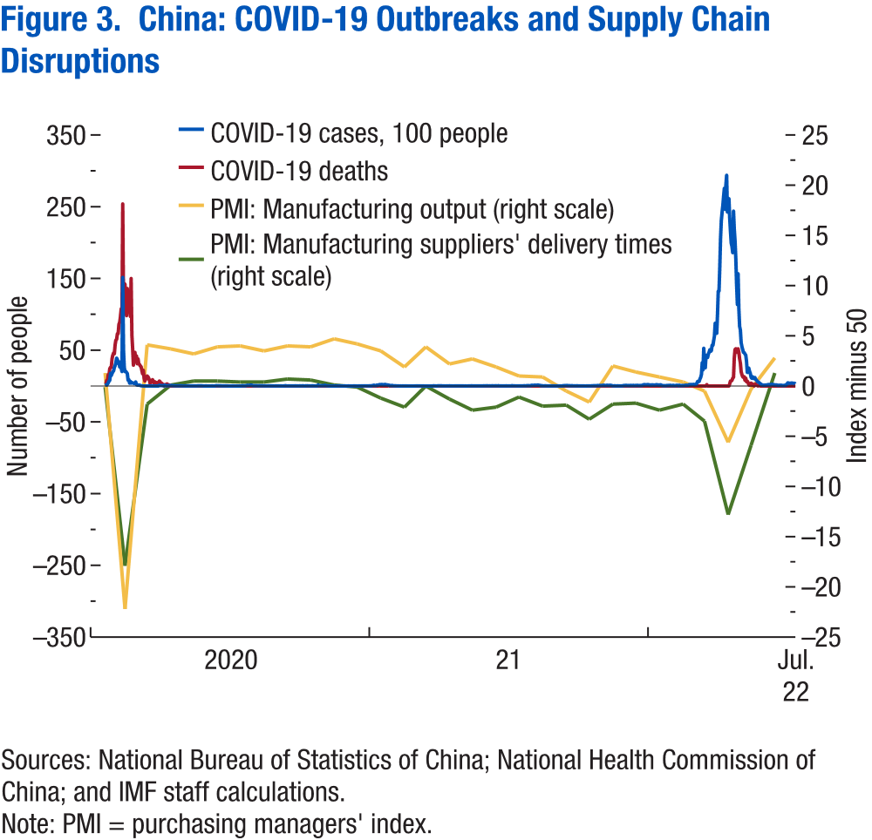

 |  | COVID-19 cases, 100 people | COVID-19 deaths | PMI: Manufacturing output | PMI: Manufacturing suppliers' delivery times
 | 2020-01-20 | 0.77 |  | Data not available | Data not available
 | 2020-01-21 | 1.49 | 3
 | 2020-01-22 | 1.31 | 8
 | 2020-01-23 | 2.59 | 8
 | 2020-01-24 | 4.44 | 16
 | 2020-01-25 | 6.88 | 15
 | 2020-01-26 | 7.69 | 24
 | 2020-01-27 | 17.71 | 26
 | 2020-01-28 | 14.59 | 26
 | 2020-01-29 | 17.37 | 38
 | 2020-01-30 | 19.82 | 43
 | 2020-01-31 | 21.02 | 46
 | 2020-02-01 | 25.90 | 45
 | 2020-02-02 | 28.29 | 57
 | 2020-02-03 | 32.35 | 64
 | 2020-02-04 | 38.87 | 65
 | 2020-02-05 | 36.94 | 73
 | 2020-02-06 | 31.43 | 73
 | 2020-02-07 | 33.99 | 86
 | 2020-02-08 | 26.56 | 89
 | 2020-02-09 | 30.62 | 97
 | 2020-02-10 | 24.78 | 108
 | 2020-02-11 | 20.15 | 97
 | 2020-02-12 | 151.52 | 254
 | 2020-02-13 | 50.90 | 121
 | 2020-02-14 | 26.41 | 143
 | 2020-02-15 | 20.09 | 142
 | 2020-02-16 | 20.48 | 105
 | 2020-02-17 | 18.86 | 98
 | 2020-02-18 | 17.49 | 136
 | 2020-02-19 | 8.20 | 114
 | 2020-02-20 | 8.89 | 118
 | 2020-02-21 | 3.97 | 109
 | 2020-02-22 | 6.48 | 97
 | 2020-02-23 | 4.09 | 150
 | 2020-02-24 | 5.08 | 71
 | 2020-02-25 | 4.06 | 52
 | 2020-02-26 | 4.33 | 29
 | 2020-02-27 | 3.27 | 44
 | 2020-02-28 | 4.27 | 47
 | 2020-02-29 | 5.73 | 35
 | 2020-03-01 | 2.02 | 42
 | 2020-03-02 | 1.25 | 31
 | 2020-03-03 | 1.19 | 38
 | 2020-03-04 | 1.37 | 31
 | 2020-03-05 | 1.27 | 30
 | 2020-03-06 | 0.75 | 28
 | 2020-03-07 | 0.41 | 27
 | 2020-03-08 | 0.36 | 22
 | 2020-03-09 | 0.17 | 17
 | 2020-03-10 | 0.14 | 22
 | 2020-03-11 | 0.09 | 11
 | 2020-03-12 | 0.05 | 7
 | 2020-03-13 | 0.04 | 13
 | 2020-03-14 | 0.04 | 10
 | 2020-03-15 | 0.04 | 14
 | 2020-03-16 | 0.01 | 13
 | 2020-03-17 | 0.01 | 11
 | 2020-03-18 | 0.00 | 8
 | 2020-03-19 | 0.00 | 3
 | 2020-03-20 | 0.00 | 7
 | 2020-03-21 | 0.01 | 6
 | 2020-03-22 | 0.00 | 9
 | 2020-03-23 | 0.04 | 7
 | 2020-03-24 | 0.00 | 4
 | 2020-03-25 | 0.00 | 6
 | 2020-03-26 | 0.01 | 5
 | 2020-03-27 | 0.00 | 3
 | 2020-03-28 | 0.01 | 5
 | 2020-03-29 | 0.01 | 4
 | 2020-03-30 | 0.00 | 1
 | 2020-03-31 | 1.31 | 7
 | 2020-04-01 | 0.55 | 6
 | 2020-04-02 | 0.62 | 4
 | 2020-04-03 | 0.65 | 4
 | 2020-04-04 | 0.52 | 3
 | 2020-04-05 | 0.79 | 1
 | 2020-04-06 | 0.30 | 0
 | 2020-04-07 | 1.40 | 2
 | 2020-04-08 | 0.58 | 2
 | 2020-04-09 | 0.51 | 1
 | 2020-04-10 | 0.38 | 3
 | 2020-04-11 | 0.65 | 0
 | 2020-04-12 | 0.71 | 2
 | 2020-04-13 | 0.57 | 0
 | 2020-04-14 | 0.67 | 1
 | 2020-04-15 | 0.76 | 0
 | 2020-04-16 | 0.77 | 0
 | 2020-04-17 | 0.64 | 0
 | 2020-04-18 | 0.51 | 0
 | 2020-04-19 | 0.53 | 0
 | 2020-04-20 | 0.44 | 0
 | 2020-04-21 | 0.49 | 0
 | 2020-04-22 | 0.31 | 0
 | 2020-04-23 | 0.38 | 0
 | 2020-04-24 | 0.30 | 0
 | 2020-04-25 | 0.36 | 0
 | 2020-04-26 | 0.26 | 0
 | 2020-04-27 | 0.43 | 0
 | 2020-04-28 | 0.27 | 0
 | 2020-04-29 | 0.33 | 0
 | 2020-04-30 | 0.31 | 0
 | 2020-05-01 | 0.20 | 0
 | 2020-05-02 | 0.13 | 0
 | 2020-05-03 | 0.13 | 0
 | 2020-05-04 | 0.15 | 0
 | 2020-05-05 | 0.20 | 0
 | 2020-05-06 | 0.06 | 0
 | 2020-05-07 | 0.17 | 0
 | 2020-05-08 | 0.15 | 0
 | 2020-05-09 | 0.32 | 0
 | 2020-05-10 | 0.22 | 0
 | 2020-05-11 | 0.15 | 0
 | 2020-05-12 | 0.14 | 0
 | 2020-05-13 | 0.15 | 0
 | 2020-05-14 | 0.15 | 0
 | 2020-05-15 | 0.15 | 0
 | 2020-05-16 | 0.15 | 0
 | 2020-05-17 | 0.21 | 0
 | 2020-05-18 | 0.20 | 0
 | 2020-05-19 | 0.20 | 0
 | 2020-05-20 | 0.32 | 0
 | 2020-05-21 | 0.37 | 0
 | 2020-05-22 | 0.28 | 0
 | 2020-05-23 | 0.37 | 0
 | 2020-05-24 | 0.40 | 0
 | 2020-05-25 | 0.29 | 0
 | 2020-05-26 | 0.28 | 0
 | 2020-05-27 | 0.23 | 0
 | 2020-05-28 | 0.05 | 0
 | 2020-05-29 | 0.04 | 0
 | 2020-05-30 | 0.03 | 0
 | 2020-05-31 | 0.16 | 0
 | 2020-06-01 | 0.10 | 0
 | 2020-06-02 | 0.04 | 0
 | 2020-06-03 | 0.04 | 0
 | 2020-06-04 | 0.03 | 0
 | 2020-06-05 | 0.02 | 0
 | 2020-06-06 | 0.06 | 0
 | 2020-06-07 | 0.02 | 0
 | 2020-06-08 | 0.21 | 0
 | 2020-06-09 | 0.05 | 0
 | 2020-06-10 | 0.04 | 0
 | 2020-06-11 | 0.02 | 0
 | 2020-06-12 | 0.13 | 0
 | 2020-06-13 | 0.47 | 0
 | 2020-06-14 | 0.57 | 0
 | 2020-06-15 | 0.38 | 0
 | 2020-06-16 | 0.44 | 0
 | 2020-06-17 | 0.32 | 0
 | 2020-06-18 | 0.33 | 0
 | 2020-06-19 | 0.30 | 0
 | 2020-06-20 | 0.31 | 0
 | 2020-06-21 | 0.18 | 0
 | 2020-06-22 | 0.20 | 0
 | 2020-06-23 | 0.12 | 0
 | 2020-06-24 | 0.15 | 0
 | 2020-06-25 | 0.16 | 0
 | 2020-06-26 | 0.29 | 0
 | 2020-06-27 | 0.21 | 0
 | 2020-06-28 | 0.13 | 0
 | 2020-06-29 | 0.12 | 0
 | 2020-06-30 | 0.06 | 0
 | 2020-07-01 | 0.03 | 0
 | 2020-07-02 | 0.06 | 0
 | 2020-07-03 | 0.05 | 0
 | 2020-07-04 | 0.09 | 0
 | 2020-07-05 | 0.12 | 0
 | 2020-07-06 | 0.15 | 0
 | 2020-07-07 | 0.06 | 0
 | 2020-07-08 | 0.06 | 0
 | 2020-07-09 | 0.03 | 0
 | 2020-07-10 | 0.04 | 0
 | 2020-07-11 | 0.05 | 0
 | 2020-07-12 | 0.06 | 0
 | 2020-07-13 | 0.05 | 0
 | 2020-07-14 | 0.04 | 0
 | 2020-07-15 | 0.02 | 0
 | 2020-07-16 | 0.06 | 0
 | 2020-07-17 | 0.30 | 0
 | 2020-07-18 | 0.55 | 0
 | 2020-07-19 | 0.30 | 0
 | 2020-07-20 | 0.14 | 0
 | 2020-07-21 | 0.31 | 0
 | 2020-07-22 | 0.50 | 0
 | 2020-07-23 | 0.58 | 0
 | 2020-07-24 | 1.03 | 0
 | 2020-07-25 | 1.03 | 0
 | 2020-07-26 | 1.01 | 0
 | 2020-07-27 | 0.98 | 0
 | 2020-07-28 | 1.25 | 0
 | 2020-07-29 | 1.23 | 0
 | 2020-07-30 | 1.34 | 0
 | 2020-07-31 | 0.62 | 0
 | 2020-08-01 | 0.53 | 0
 | 2020-08-02 | 0.47 | 0
 | 2020-08-03 | 0.51 | 0
 | 2020-08-04 | 0.46 | 0
 | 2020-08-05 | 0.50 | 0
 | 2020-08-06 | 0.41 | 0
 | 2020-08-07 | 0.39 | 0
 | 2020-08-08 | 0.26 | 0
 | 2020-08-09 | 0.45 | 0
 | 2020-08-10 | 0.30 | 0
 | 2020-08-11 | 0.29 | 0
 | 2020-08-12 | 0.28 | 0
 | 2020-08-13 | 0.36 | 0
 | 2020-08-14 | 0.28 | 0
 | 2020-08-15 | 0.20 | 0
 | 2020-08-16 | 0.37 | 0
 | 2020-08-17 | 0.17 | 0
 | 2020-08-18 | 0.14 | 0
 | 2020-08-19 | 0.22 | 0
 | 2020-08-20 | 0.23 | 0
 | 2020-08-21 | 0.34 | 0
 | 2020-08-22 | 0.15 | 0
 | 2020-08-23 | 0.27 | 0
 | 2020-08-24 | 0.16 | 0
 | 2020-08-25 | 0.14 | 0
 | 2020-08-26 | 0.19 | 0
 | 2020-08-27 | 0.16 | 0
 | 2020-08-28 | 0.10 | 0
 | 2020-08-29 | 0.04 | 0
 | 2020-08-30 | 0.19 | 0
 | 2020-08-31 | 0.34 | 0
 | 2020-09-01 | 0.19 | 0
 | 2020-09-02 | 0.12 | 0
 | 2020-09-03 | 0.26 | 0
 | 2020-09-04 | 0.08 | 0
 | 2020-09-05 | 0.17 | 0
 | 2020-09-06 | 0.17 | 0
 | 2020-09-07 | 0.13 | 0
 | 2020-09-08 | 0.08 | 0
 | 2020-09-09 | 0.15 | 0
 | 2020-09-10 | 0.22 | 0
 | 2020-09-11 | 0.08 | 0
 | 2020-09-12 | 0.70 | 0
 | 2020-09-13 | 0.39 | 0
 | 2020-09-14 | 0.09 | 0
 | 2020-09-15 | 0.16 | 0
 | 2020-09-16 | 0.14 | 0
 | 2020-09-17 | 0.20 | 0
 | 2020-09-18 | 0.24 | 0
 | 2020-09-19 | 0.21 | 0
 | 2020-09-20 | 0.25 | 0
 | 2020-09-21 | 0.15 | 0
 | 2020-09-22 | 0.18 | 0
 | 2020-09-23 | 0.20 | 0
 | 2020-09-24 | 0.18 | 0
 | 2020-09-25 | 0.30 | 0
 | 2020-09-26 | 0.26 | 0
 | 2020-09-27 | 0.14 | 0
 | 2020-09-28 | 0.26 | 0
 | 2020-09-29 | 0.22 | 0
 | 2020-09-30 | 0.10 | 0
 | 2020-10-01 | 0.33 | 0
 | 2020-10-02 | 0.12 | 0
 | 2020-10-03 | 0.26 | 0
 | 2020-10-04 | 0.27 | 0
 | 2020-10-05 | 0.31 | 0
 | 2020-10-06 | 0.24 | 0
 | 2020-10-07 | 0.08 | 0
 | 2020-10-08 | 0.15 | 0
 | 2020-10-09 | 0.39 | 0
 | 2020-10-10 | 0.23 | 0
 | 2020-10-11 | 0.32 | 0
 | 2020-10-12 | 0.23 | 0
 | 2020-10-13 | 0.24 | 0
 | 2020-10-14 | 0.24 | 0
 | 2020-10-15 | 0.10 | 0
 | 2020-10-16 | 0.11 | 0
 | 2020-10-17 | 0.34 | 0
 | 2020-10-18 | 0.33 | 0
 | 2020-10-19 | 0.24 | 0
 | 2020-10-20 | 0.15 | 0
 | 2020-10-21 | 0.25 | 0
 | 2020-10-22 | 0.11 | 0
 | 2020-10-23 | 0.27 | 0
 | 2020-10-24 | 0.19 | 0
 | 2020-10-25 | 1.61 | 0
 | 2020-10-26 | 0.50 | 0
 | 2020-10-27 | 0.60 | 0
 | 2020-10-28 | 0.39 | 0
 | 2020-10-29 | 0.54 | 0
 | 2020-10-30 | 0.44 | 0
 | 2020-10-31 | 0.72 | 0
 | 2020-11-01 | 0.33 | 0
 | 2020-11-02 | 0.66 | 0
 | 2020-11-03 | 1.30 | 0
 | 2020-11-04 | 0.32 | 0
 | 2020-11-05 | 0.39 | 0
 | 2020-11-06 | 0.27 | 0
 | 2020-11-07 | 0.36 | 0
 | 2020-11-08 | 0.10 | 0
 | 2020-11-09 | 0.26 | 0
 | 2020-11-10 | 0.16 | 0
 | 2020-11-11 | 0.07 | 0
 | 2020-11-12 | 0.15 | 0
 | 2020-11-13 | 0.10 | 0
 | 2020-11-14 | 0.06 | 0
 | 2020-11-15 | 0.14 | 0
 | 2020-11-16 | 0.12 | 0
 | 2020-11-17 | 0.06 | 0
 | 2020-11-18 | 0.10 | 0
 | 2020-11-19 | 0.14 | 0
 | 2020-11-20 | 0.25 | 0
 | 2020-11-21 | 0.14 | 0
 | 2020-11-22 | 0.12 | 0
 | 2020-11-23 | 0.10 | 0
 | 2020-11-24 | 0.06 | 0
 | 2020-11-25 | 0.14 | 0
 | 2020-11-26 | 0.08 | 0
 | 2020-11-27 | 0.04 | 0
 | 2020-11-28 | 0.10 | 0
 | 2020-11-29 | 0.20 | 0
 | 2020-11-30 | 0.09 | 0
 | 2020-12-01 | 0.05 | 0
 | 2020-12-02 | 0.06 | 0
 | 2020-12-03 | 0.14 | 0
 | 2020-12-04 | 0.14 | 0
 | 2020-12-05 | 0.03 | 0
 | 2020-12-06 | 0.09 | 0
 | 2020-12-07 | 0.07 | 0
 | 2020-12-08 | 0.05 | 0
 | 2020-12-09 | 0.06 | 0
 | 2020-12-10 | 0.13 | 0
 | 2020-12-11 | 0.17 | 0
 | 2020-12-12 | 0.19 | 0
 | 2020-12-13 | 0.11 | 0
 | 2020-12-14 | 0.11 | 0
 | 2020-12-15 | 0.09 | 0
 | 2020-12-16 | 0.06 | 0
 | 2020-12-17 | 0.12 | 0
 | 2020-12-18 | 0.19 | 0
 | 2020-12-19 | 0.11 | 0
 | 2020-12-20 | 0.17 | 0
 | 2020-12-21 | 0.19 | 0
 | 2020-12-22 | 0.15 | 0
 | 2020-12-23 | 0.25 | 0
 | 2020-12-24 | 0.24 | 0
 | 2020-12-25 | 0.27 | 0
 | 2020-12-26 | 0.27 | 0
 | 2020-12-27 | 0.26 | 0
 | 2020-12-28 | 0.23 | 0
 | 2020-12-29 | 0.24 | 0
 | 2020-12-30 | 0.17 | 0
 | 2020-12-31 | 0.28 | 0
 | 2021-01-01 | 0.29 | 0
 | 2021-01-02 | 0.16 | 0
 | 2021-01-03 | 0.53 | 0
 | 2021-01-04 | 0.54 | 0
 | 2021-01-05 | 0.87 | 0
 | 2021-01-06 | 1.31 | 0
 | 2021-01-07 | 0.94 | 0
 | 2021-01-08 | 0.55 | 0
 | 2021-01-09 | 0.75 | 0
 | 2021-01-10 | 1.61 | 0
 | 2021-01-11 | 1.23 | 0
 | 2021-01-12 | 1.45 | 0
 | 2021-01-13 | 2.02 | 1
 | 2021-01-14 | 2.01 | 0
 | 2021-01-15 | 1.94 | 0
 | 2021-01-16 | 2.15 | 0
 | 2021-01-17 | 2.08 | 0
 | 2021-01-18 | 1.97 | 0
 | 2021-01-19 | 1.46 | 0
 | 2021-01-20 | 2.39 | 0
 | 2021-01-21 | 2.13 | 0
 | 2021-01-22 | 1.89 | 0
 | 2021-01-23 | 1.57 | 0
 | 2021-01-24 | 1.62 | 0
 | 2021-01-25 | 1.26 | 1
 | 2021-01-26 | 1.16 | 0
 | 2021-01-27 | 0.69 | 0
 | 2021-01-28 | 0.78 | 0
 | 2021-01-29 | 0.52 | 0
 | 2021-01-30 | 0.92 | 0
 | 2021-01-31 | 0.49 | 0
 | 2021-02-01 | 0.27 | 0
 | 2021-02-02 | 0.27 | 0
 | 2021-02-03 | 0.29 | 0
 | 2021-02-04 | 0.34 | 0
 | 2021-02-05 | 0.14 | 0
 | 2021-02-06 | 0.14 | 0
 | 2021-02-07 | 0.16 | 0
 | 2021-02-08 | 0.15 | 0
 | 2021-02-09 | 0.07 | 0
 | 2021-02-10 | 0.16 | 0
 | 2021-02-11 | 0.08 | 0
 | 2021-02-12 | 0.14 | 0
 | 2021-02-13 | 0.17 | 0
 | 2021-02-14 | 0.11 | 0
 | 2021-02-15 | 0.11 | 0
 | 2021-02-16 | 0.06 | 0
 | 2021-02-17 | 0.20 | 0
 | 2021-02-18 | 0.08 | 0
 | 2021-02-19 | 0.13 | 0
 | 2021-02-20 | 0.06 | 0
 | 2021-02-21 | 0.08 | 0
 | 2021-02-22 | 0.09 | 0
 | 2021-02-23 | 0.09 | 0
 | 2021-02-24 | 0.09 | 0
 | 2021-02-25 | 0.06 | 0
 | 2021-02-26 | 0.08 | 0
 | 2021-02-27 | 0.06 | 0
 | 2021-02-28 | 0.13 | 0
 | 2021-03-01 | 0.06 | 0
 | 2021-03-02 | 0.16 | 0
 | 2021-03-03 | 0.14 | 0
 | 2021-03-04 | 0.12 | 0
 | 2021-03-05 | 0.23 | 0
 | 2021-03-06 | 0.11 | 0
 | 2021-03-07 | 0.17 | 0
 | 2021-03-08 | 0.09 | 0
 | 2021-03-09 | 0.16 | 0
 | 2021-03-10 | 0.10 | 0
 | 2021-03-11 | 0.10 | 0
 | 2021-03-12 | 0.17 | 0
 | 2021-03-13 | 0.10 | 0
 | 2021-03-14 | 0.09 | 0
 | 2021-03-15 | 0.07 | 0
 | 2021-03-16 | 0.15 | 0
 | 2021-03-17 | 0.06 | 0
 | 2021-03-18 | 0.06 | 0
 | 2021-03-19 | 0.08 | 0
 | 2021-03-20 | 0.08 | 0
 | 2021-03-21 | 0.08 | 0
 | 2021-03-22 | 0.14 | 0
 | 2021-03-23 | 0.08 | 0
 | 2021-03-24 | 0.10 | 0
 | 2021-03-25 | 0.31 | 0
 | 2021-03-26 | 0.28 | 0
 | 2021-03-27 | 0.19 | 0
 | 2021-03-28 | 0.18 | 0
 | 2021-03-29 | 0.06 | 0
 | 2021-03-30 | 0.14 | 0
 | 2021-03-31 | 0.48 | 0
 | 2021-04-01 | 0.24 | 0
 | 2021-04-02 | 0.31 | 0
 | 2021-04-03 | 0.28 | 0
 | 2021-04-04 | 0.33 | 0
 | 2021-04-05 | 0.32 | 0
 | 2021-04-06 | 0.10 | 0
 | 2021-04-07 | 0.17 | 0
 | 2021-04-08 | 0.20 | 0
 | 2021-04-09 | 0.11 | 0
 | 2021-04-10 | 0.22 | 0
 | 2021-04-11 | 0.14 | 0
 | 2021-04-12 | 0.19 | 0
 | 2021-04-13 | 0.13 | 0
 | 2021-04-14 | 0.15 | 0
 | 2021-04-15 | 0.32 | 0
 | 2021-04-16 | 0.20 | 0
 | 2021-04-17 | 0.15 | 0
 | 2021-04-18 | 0.16 | 0
 | 2021-04-19 | 0.10 | 0
 | 2021-04-20 | 0.09 | 0
 | 2021-04-21 | 0.16 | 0
 | 2021-04-22 | 0.24 | 0
 | 2021-04-23 | 0.12 | 0
 | 2021-04-24 | 0.14 | 0
 | 2021-04-25 | 0.18 | 0
 | 2021-04-26 | 0.14 | 0
 | 2021-04-27 | 0.17 | 0
 | 2021-04-28 | 0.14 | 0
 | 2021-04-29 | 0.19 | 0
 | 2021-04-30 | 0.16 | 0
 | 2021-05-01 | 0.16 | 0
 | 2021-05-02 | 0.12 | 0
 | 2021-05-03 | 0.20 | 0
 | 2021-05-04 | 0.10 | 0
 | 2021-05-05 | 0.07 | 0
 | 2021-05-06 | 0.17 | 0
 | 2021-05-07 | 0.08 | 0
 | 2021-05-08 | 0.10 | 0
 | 2021-05-09 | 0.18 | 0
 | 2021-05-10 | 0.25 | 0
 | 2021-05-11 | 0.11 | 0
 | 2021-05-12 | 0.14 | 0
 | 2021-05-13 | 0.24 | 0
 | 2021-05-14 | 0.30 | 0
 | 2021-05-15 | 0.23 | 0
 | 2021-05-16 | 0.22 | 0
 | 2021-05-17 | 0.24 | 0
 | 2021-05-18 | 0.13 | 0
 | 2021-05-19 | 0.17 | 0
 | 2021-05-20 | 0.25 | 0
 | 2021-05-21 | 0.24 | 0
 | 2021-05-22 | 0.26 | 0
 | 2021-05-23 | 0.22 | 0
 | 2021-05-24 | 0.20 | 0
 | 2021-05-25 | 0.14 | 0
 | 2021-05-26 | 0.24 | 0
 | 2021-05-27 | 0.26 | 0
 | 2021-05-28 | 0.16 | 0
 | 2021-05-29 | 0.22 | 0
 | 2021-05-30 | 0.39 | 0
 | 2021-05-31 | 0.26 | 0
 | 2021-06-01 | 0.29 | 0
 | 2021-06-02 | 0.33 | 0
 | 2021-06-03 | 0.30 | 0
 | 2021-06-04 | 0.39 | 0
 | 2021-06-05 | 0.25 | 0
 | 2021-06-06 | 0.26 | 0
 | 2021-06-07 | 0.35 | 0
 | 2021-06-08 | 0.17 | 0
 | 2021-06-09 | 0.33 | 0
 | 2021-06-10 | 0.34 | 0
 | 2021-06-11 | 0.35 | 0
 | 2021-06-12 | 0.24 | 0
 | 2021-06-13 | 0.28 | 0
 | 2021-06-14 | 0.27 | 0
 | 2021-06-15 | 0.36 | 0
 | 2021-06-16 | 0.28 | 0
 | 2021-06-17 | 0.26 | 0
 | 2021-06-18 | 0.48 | 0
 | 2021-06-19 | 0.20 | 0
 | 2021-06-20 | 0.20 | 0
 | 2021-06-21 | 0.29 | 0
 | 2021-06-22 | 0.21 | 0
 | 2021-06-23 | 0.18 | 0
 | 2021-06-24 | 0.20 | 0
 | 2021-06-25 | 0.23 | 0
 | 2021-06-26 | 0.21 | 0
 | 2021-06-27 | 0.22 | 0
 | 2021-06-28 | 0.30 | 0
 | 2021-06-29 | 0.09 | 0
 | 2021-06-30 | 0.19 | 0
 | 2021-07-01 | 0.22 | 0
 | 2021-07-02 | 0.19 | 0
 | 2021-07-03 | 0.18 | 0
 | 2021-07-04 | 0.17 | 0
 | 2021-07-05 | 0.28 | 0
 | 2021-07-06 | 0.56 | 0
 | 2021-07-07 | 0.12 | 0
 | 2021-07-08 | 0.30 | 0
 | 2021-07-09 | 0.23 | 0
 | 2021-07-10 | 0.29 | 0
 | 2021-07-11 | 0.24 | 0
 | 2021-07-12 | 0.24 | 0
 | 2021-07-13 | 0.10 | 0
 | 2021-07-14 | 0.13 | 0
 | 2021-07-15 | 0.23 | 0
 | 2021-07-16 | 0.22 | 0
 | 2021-07-17 | 0.28 | 0
 | 2021-07-18 | 0.22 | 0
 | 2021-07-19 | 0.27 | 0
 | 2021-07-20 | 0.25 | 0
 | 2021-07-21 | 0.30 | 0
 | 2021-07-22 | 0.47 | 0
 | 2021-07-23 | 0.33 | 0
 | 2021-07-24 | 0.22 | 0
 | 2021-07-25 | 0.64 | 0
 | 2021-07-26 | 0.51 | 0
 | 2021-07-27 | 0.73 | 0
 | 2021-07-28 | 0.38 | 0
 | 2021-07-29 | 0.46 | 0
 | 2021-07-30 | 0.49 | 0
 | 2021-07-31 | 0.90 | 0
 | 2021-08-01 | 1.15 | 0
 | 2021-08-02 | 1.02 | 0
 | 2021-08-03 | 0.98 | 0
 | 2021-08-04 | 1.16 | 0
 | 2021-08-05 | 1.38 | 0
 | 2021-08-06 | 1.07 | 0
 | 2021-08-07 | 1.11 | 0
 | 2021-08-08 | 1.33 | 0
 | 2021-08-09 | 1.46 | 0
 | 2021-08-10 | 1.13 | 0
 | 2021-08-11 | 0.99 | 0
 | 2021-08-12 | 0.81 | 0
 | 2021-08-13 | 0.49 | 0
 | 2021-08-14 | 0.53 | 0
 | 2021-08-15 | 0.33 | 0
 | 2021-08-16 | 0.23 | 0
 | 2021-08-17 | 0.23 | 0
 | 2021-08-18 | 0.35 | 0
 | 2021-08-19 | 0.34 | 0
 | 2021-08-20 | 0.24 | 0
 | 2021-08-21 | 0.23 | 0
 | 2021-08-22 | 0.16 | 0
 | 2021-08-23 | 0.10 | 0
 | 2021-08-24 | 0.15 | 0
 | 2021-08-25 | 0.22 | 0
 | 2021-08-26 | 0.24 | 0
 | 2021-08-27 | 0.11 | 0
 | 2021-08-28 | 0.20 | 0
 | 2021-08-29 | 0.24 | 0
 | 2021-08-30 | 0.14 | 0
 | 2021-08-31 | 0.13 | 0
 | 2021-09-01 | 0.20 | 0
 | 2021-09-02 | 0.22 | 0
 | 2021-09-03 | 0.23 | 0
 | 2021-09-04 | 0.23 | 0
 | 2021-09-05 | 0.18 | 0
 | 2021-09-06 | 0.10 | 0
 | 2021-09-07 | 0.11 | 0
 | 2021-09-08 | 0.09 | 0
 | 2021-09-09 | 0.21 | 0
 | 2021-09-10 | 0.22 | 0
 | 2021-09-11 | 0.64 | 0
 | 2021-09-12 | 0.50 | 0
 | 2021-09-13 | 0.79 | 0
 | 2021-09-14 | 0.66 | 0
 | 2021-09-15 | 0.62 | 0
 | 2021-09-16 | 0.82 | 0
 | 2021-09-17 | 0.48 | 0
 | 2021-09-18 | 0.62 | 0
 | 2021-09-19 | 0.41 | 0
 | 2021-09-20 | 0.55 | 0
 | 2021-09-21 | 0.25 | 0
 | 2021-09-22 | 0.42 | 0
 | 2021-09-23 | 0.41 | 0
 | 2021-09-24 | 0.24 | 0
 | 2021-09-25 | 0.23 | 0
 | 2021-09-26 | 0.33 | 0
 | 2021-09-27 | 0.20 | 0
 | 2021-09-28 | 0.30 | 0
 | 2021-09-29 | 0.27 | 0
 | 2021-09-30 | 0.35 | 0
 | 2021-10-01 | 0.21 | 0
 | 2021-10-02 | 0.17 | 0
 | 2021-10-03 | 0.16 | 0
 | 2021-10-04 | 0.15 | 0
 | 2021-10-05 | 0.14 | 0
 | 2021-10-06 | 0.11 | 0
 | 2021-10-07 | 0.13 | 0
 | 2021-10-08 | 0.22 | 0
 | 2021-10-09 | 0.14 | 0
 | 2021-10-10 | 0.08 | 0
 | 2021-10-11 | 0.14 | 0
 | 2021-10-12 | 0.16 | 0
 | 2021-10-13 | 0.23 | 0
 | 2021-10-14 | 0.25 | 0
 | 2021-10-15 | 0.18 | 0
 | 2021-10-16 | 0.14 | 0
 | 2021-10-17 | 0.11 | 0
 | 2021-10-18 | 0.28 | 0
 | 2021-10-19 | 0.39 | 0
 | 2021-10-20 | 0.40 | 0
 | 2021-10-21 | 0.54 | 0
 | 2021-10-22 | 0.55 | 0
 | 2021-10-23 | 0.45 | 0
 | 2021-10-24 | 0.48 | 0
 | 2021-10-25 | 0.55 | 0
 | 2021-10-26 | 0.76 | 0
 | 2021-10-27 | 0.54 | 0
 | 2021-10-28 | 0.71 | 0
 | 2021-10-29 | 0.83 | 0
 | 2021-10-30 | 0.71 | 0
 | 2021-10-31 | 0.83 | 0
 | 2021-11-01 | 0.67 | 0
 | 2021-11-02 | 1.12 | 0
 | 2021-11-03 | 1.18 | 0
 | 2021-11-04 | 1.10 | 0
 | 2021-11-05 | 0.67 | 0
 | 2021-11-06 | 0.85 | 0
 | 2021-11-07 | 1.11 | 0
 | 2021-11-08 | 1.17 | 0
 | 2021-11-09 | 0.78 | 0
 | 2021-11-10 | 0.82 | 0
 | 2021-11-11 | 1.14 | 0
 | 2021-11-12 | 0.91 | 0
 | 2021-11-13 | 0.95 | 0
 | 2021-11-14 | 0.46 | 0
 | 2021-11-15 | 0.24 | 0
 | 2021-11-16 | 0.23 | 0
 | 2021-11-17 | 0.33 | 0
 | 2021-11-18 | 0.34 | 0
 | 2021-11-19 | 0.19 | 0
 | 2021-11-20 | 0.12 | 0
 | 2021-11-21 | 0.36 | 0
 | 2021-11-22 | 0.23 | 0
 | 2021-11-23 | 0.20 | 0
 | 2021-11-24 | 0.24 | 0
 | 2021-11-25 | 0.22 | 0
 | 2021-11-26 | 0.20 | 0
 | 2021-11-27 | 0.25 | 0
 | 2021-11-28 | 0.43 | 0
 | 2021-11-29 | 0.43 | 0
 | 2021-11-30 | 1.05 | 0
 | 2021-12-01 | 0.66 | 0
 | 2021-12-02 | 1.04 | 0
 | 2021-12-03 | 0.94 | 0
 | 2021-12-04 | 0.63 | 0
 | 2021-12-05 | 0.82 | 0
 | 2021-12-06 | 0.74 | 0
 | 2021-12-07 | 0.67 | 0
 | 2021-12-08 | 0.93 | 0
 | 2021-12-09 | 0.80 | 0
 | 2021-12-10 | 0.81 | 0
 | 2021-12-11 | 0.69 | 0
 | 2021-12-12 | 0.97 | 0
 | 2021-12-13 | 0.66 | 0
 | 2021-12-14 | 0.74 | 0
 | 2021-12-15 | 0.89 | 0
 | 2021-12-16 | 0.79 | 0
 | 2021-12-17 | 1.08 | 0
 | 2021-12-18 | 0.85 | 0
 | 2021-12-19 | 0.70 | 0
 | 2021-12-20 | 0.76 | 0
 | 2021-12-21 | 0.76 | 0
 | 2021-12-22 | 0.90 | 0
 | 2021-12-23 | 0.81 | 0
 | 2021-12-24 | 1.11 | 0
 | 2021-12-25 | 1.87 | 0
 | 2021-12-26 | 1.89 | 0
 | 2021-12-27 | 2.03 | 0
 | 2021-12-28 | 1.67 | 0
 | 2021-12-29 | 1.83 | 0
 | 2021-12-30 | 1.95 | 0
 | 2021-12-31 | 2.13 | 0
 | 2022-01-01 | 1.83 | 0
 | 2022-01-02 | 1.36 | 0
 | 2022-01-03 | 1.62 | 0
 | 2022-01-04 | 1.12 | 0
 | 2022-01-05 | 1.77 | 0
 | 2022-01-06 | 1.61 | 0
 | 2022-01-07 | 1.47 | 0
 | 2022-01-08 | 1.38 | 0
 | 2022-01-09 | 1.39 | 0
 | 2022-01-10 | 1.60 | 0
 | 2022-01-11 | 1.98 | 0
 | 2022-01-12 | 1.55 | 0
 | 2022-01-13 | 1.85 | 0
 | 2022-01-14 | 1.29 | 0
 | 2022-01-15 | 1.17 | 0
 | 2022-01-16 | 1.91 | 0
 | 2022-01-17 | 1.60 | 0
 | 2022-01-18 | 0.92 | 0
 | 2022-01-19 | 0.71 | 0
 | 2022-01-20 | 0.54 | 0
 | 2022-01-21 | 0.66 | 0
 | 2022-01-22 | 0.53 | 0
 | 2022-01-23 | 0.45 | 0
 | 2022-01-24 | 0.61 | 0
 | 2022-01-25 | 0.88 | 0
 | 2022-01-26 | 0.80 | 0
 | 2022-01-27 | 0.93 | 0
 | 2022-01-28 | 0.69 | 0
 | 2022-01-29 | 1.19 | 0
 | 2022-01-30 | 0.92 | 0
 | 2022-01-31 | 0.59 | 0
 | 2022-02-01 | 0.64 | 0
 | 2022-02-02 | 1.17 | 0
 | 2022-02-03 | 0.64 | 0
 | 2022-02-04 | 0.69 | 0
 | 2022-02-05 | 0.53 | 0
 | 2022-02-06 | 0.96 | 0
 | 2022-02-07 | 1.11 | 0
 | 2022-02-08 | 0.97 | 0
 | 2022-02-09 | 0.35 | 0
 | 2022-02-10 | 1.22 | 0
 | 2022-02-11 | 0.81 | 0
 | 2022-02-12 | 0.62 | 0
 | 2022-02-13 | 0.65 | 0
 | 2022-02-14 | 0.84 | 0
 | 2022-02-15 | 0.74 | 0
 | 2022-02-16 | 0.67 | 0
 | 2022-02-17 | 0.85 | 0
 | 2022-02-18 | 1.17 | 0
 | 2022-02-19 | 1.40 | 0
 | 2022-02-20 | 1.09 | 0
 | 2022-02-21 | 1.05 | 0
 | 2022-02-22 | 1.57 | 0
 | 2022-02-23 | 1.97 | 0
 | 2022-02-24 | 1.91 | 0
 | 2022-02-25 | 2.11 | 0
 | 2022-02-26 | 2.12 | 0
 | 2022-02-27 | 2.01 | 0
 | 2022-02-28 | 2.19 | 0
 | 2022-03-01 | 2.40 | 0
 | 2022-03-02 | 1.97 | 0
 | 2022-03-03 | 2.11 | 0
 | 2022-03-04 | 2.68 | 0
 | 2022-03-05 | 3.84 | 0
 | 2022-03-06 | 6.56 | 0
 | 2022-03-07 | 6.18 | 0
 | 2022-03-08 | 6.32 | 0
 | 2022-03-09 | 9.88 | 0
 | 2022-03-10 | 12.11 | 0
 | 2022-03-11 | 16.49 | 0
 | 2022-03-12 | 32.62 | 0
 | 2022-03-13 | 22.43 | 0
 | 2022-03-14 | 52.75 | 0
 | 2022-03-15 | 31.98 | 0
 | 2022-03-16 | 25.36 | 0
 | 2022-03-17 | 42.92 | 0
 | 2022-03-18 | 39.80 | 2
 | 2022-03-19 | 39.72 | 0
 | 2022-03-20 | 44.39 | 0
 | 2022-03-21 | 47.13 | 0
 | 2022-03-22 | 50.60 | 0
 | 2022-03-23 | 48.39 | 0
 | 2022-03-24 | 49.23 | 0
 | 2022-03-25 | 57.10 | 0
 | 2022-03-26 | 56.65 | 0
 | 2022-03-27 | 63.53 | 0
 | 2022-03-28 | 69.86 | 0
 | 2022-03-29 | 87.61 | 0
 | 2022-03-30 | 85.23 | 0
 | 2022-03-31 | 73.46 | 0
 | 2022-04-01 | 99.55 | 0
 | 2022-04-02 | 132.36 | 0
 | 2022-04-03 | 132.28 | 0
 | 2022-04-04 | 165.28 | 0
 | 2022-04-05 | 205.82 | 0
 | 2022-04-06 | 230.68 | 0
 | 2022-04-07 | 241.88 | 0
 | 2022-04-08 | 251.49 | 0
 | 2022-04-09 | 264.29 | 0
 | 2022-04-10 | 275.75 | 0
 | 2022-04-11 | 246.38 | 0
 | 2022-04-12 | 280.25 | 0
 | 2022-04-13 | 293.90 | 0
 | 2022-04-14 | 242.54 | 0
 | 2022-04-15 | 247.62 | 0
 | 2022-04-16 | 261.30 | 0
 | 2022-04-17 | 234.41 | 3
 | 2022-04-18 | 215.81 | 7
 | 2022-04-19 | 199.19 | 7
 | 2022-04-20 | 194.47 | 8
 | 2022-04-21 | 185.84 | 11
 | 2022-04-22 | 243.94 | 12
 | 2022-04-23 | 218.51 | 39
 | 2022-04-24 | 202.47 | 51
 | 2022-04-25 | 177.97 | 52
 | 2022-04-26 | 142.92 | 48
 | 2022-04-27 | 113.58 | 47
 | 2022-04-28 | 156.75 | 52
 | 2022-04-29 | 107.79 | 47
 | 2022-04-30 | 83.25 | 38
 | 2022-05-01 | 78.03 | 32
 | 2022-05-02 | 60.58 | 20
 | 2022-05-03 | 54.89 | 16
 | 2022-05-04 | 51.00 | 13
 | 2022-05-05 | 46.96 | 12
 | 2022-05-06 | 46.69 | 13
 | 2022-05-07 | 44.52 | 8
 | 2022-05-08 | 43.19 | 11
 | 2022-05-09 | 34.67 | 6
 | 2022-05-10 | 19.05 | 7
 | 2022-05-11 | 19.02 | 5
 | 2022-05-12 | 25.13 | 2
 | 2022-05-13 | 20.49 | 1
 | 2022-05-14 | 17.76 | 3
 | 2022-05-15 | 12.16 | 4
 | 2022-05-16 | 10.87 | 1
 | 2022-05-17 | 12.92 | 3
 | 2022-05-18 | 10.61 | 1
 | 2022-05-19 | 11.66 | 0
 | 2022-05-20 | 11.91 | 1
 | 2022-05-21 | 8.86 | 3
 | 2022-05-22 | 8.56 | 1
 | 2022-05-23 | 6.73 | 1
 | 2022-05-24 | 5.75 | 0
 | 2022-05-25 | 5.19 | 1
 | 2022-05-26 | 4.22 | 1
 | 2022-05-27 | 3.37 | 0
 | 2022-05-28 | 2.65 | 0
 | 2022-05-29 | 1.70 | 0
 | 2022-05-30 | 1.52 | 0
 | 2022-05-31 | 1.18 | 0
 | 2022-06-01 | 1.10 | 0
 | 2022-06-02 | 1.40 | 0
 | 2022-06-03 | 1.46 | 0
 | 2022-06-04 | 1.39 | 0
 | 2022-06-05 | 1.65 | 0
 | 2022-06-06 | 1.91 | 0
 | 2022-06-07 | 1.93 | 0
 | 2022-06-08 | 2.23 | 0
 | 2022-06-09 | 1.36 | 0
 | 2022-06-10 | 1.96 | 0
 | 2022-06-11 | 2.63 | 0
 | 2022-06-12 | 2.00 | 0
 | 2022-06-13 | 1.95 | 0
 | 2022-06-14 | 2.12 | 0
 | 2022-06-15 | 1.53 | 0
 | 2022-06-16 | 1.26 | 0
 | 2022-06-17 | 1.80 | 0
 | 2022-06-18 | 1.28 | 0
 | 2022-06-19 | 0.85 | 0
 | 2022-06-20 | 1.14 | 0
 | 2022-06-21 | 1.05 | 0
 | 2022-06-22 | 1.00 | 0
 | 2022-06-23 | 1.24 | 0
 | 2022-06-24 | 1.05 | 0
 | 2022-06-25 | 0.79 | 0
 | 2022-06-26 | 0.72 | 0
 | 2022-06-27 | 0.85 | 0
 | 2022-06-28 | 1.08 | 0
 | 2022-06-29 | 0.85 | 0
 | 2022-06-30 | 2.20 | 0
 | 2022-07-01 | 2.34 | 0
 | 2022-07-02 | 4.44 | 0
 | 2022-07-03 | 4.29 | 0
 | 2022-07-04 | 3.75 | 0
 | 2022-07-05 | 3.98 | 0
 | 2022-07-06 | 3.79 | 0
 | 2022-07-07 | 4.28 | 0
 | 2022-07-08 | 4.10 | 0
 | 2022-07-09 | 3.84 | 0
 | 2022-07-10 | 3.81 | 0
 | 2022-07-11 | 3.86 | 0
 | 2022-07-12 | 2.97 | 0

Figure 4
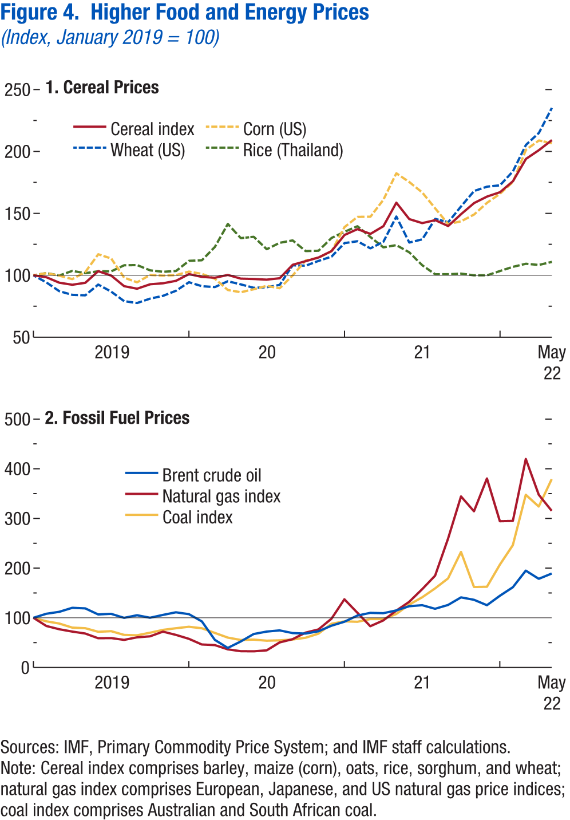
World Economic Outlook, July 2022 Update
 | Figure 4. Higher Food and Energy Prices
 | (Index, January 2019 = 100)

 | 1. Cereal Prices |  |  |  |  | 2. Fossil Fuel Prices

 |  | Cereal index | Wheat (US) | Corn (US) | Rice (Thailand) |  | Brent crude oil | Natural gas index | Coal index
 | 2019M1 | 100 | 100 | 100 | 100 | 2019M1 | 100 | 100 | 100
 | 2019M2 | 98 | 94 | 102 | 102 | 2019M2 | 108 | 84 | 93
 | 2019M3 | 94 | 87 | 100 | 100 | 2019M3 | 112 | 77 | 88
 | 2019M4 | 92 | 84 | 97 | 104 | 2019M4 | 120 | 72 | 80
 | 2019M5 | 94 | 84 | 103 | 102 | 2019M5 | 119 | 68 | 79
 | 2019M6 | 103 | 93 | 117 | 103 | 2019M6 | 107 | 59 | 72
 | 2019M7 | 100 | 87 | 114 | 103 | 2019M7 | 108 | 59 | 73
 | 2019M8 | 91 | 79 | 98 | 108 | 2019M8 | 100 | 56 | 66
 | 2019M9 | 89 | 78 | 94 | 108 | 2019M9 | 105 | 61 | 65
 | 2019M10 | 93 | 81 | 100 | 104 | 2019M10 | 100 | 63 | 70
 | 2019M11 | 94 | 83 | 100 | 103 | 2019M11 | 106 | 72 | 76
 | 2019M12 | 96 | 88 | 100 | 104 | 2019M12 | 111 | 66 | 79
 | 2020M1 | 101 | 94 | 103 | 112 | 2020M1 | 107 | 58 | 82
 | 2020M2 | 99 | 91 | 101 | 112 | 2020M2 | 93 | 46 | 79
 | 2020M3 | 98 | 91 | 97 | 123 | 2020M3 | 56 | 45 | 70
 | 2020M4 | 100 | 95 | 88 | 142 | 2020M4 | 39 | 37 | 60
 | 2020M5 | 97 | 93 | 86 | 130 | 2020M5 | 52 | 33 | 55
 | 2020M6 | 97 | 90 | 89 | 131 | 2020M6 | 67 | 33 | 56
 | 2020M7 | 97 | 90 | 92 | 121 | 2020M7 | 72 | 34 | 54
 | 2020M8 | 98 | 92 | 90 | 126 | 2020M8 | 75 | 50 | 55
 | 2020M9 | 109 | 108 | 100 | 128 | 2020M9 | 69 | 57 | 56
 | 2020M10 | 111 | 108 | 112 | 120 | 2020M10 | 68 | 70 | 60
 | 2020M11 | 114 | 112 | 114 | 120 | 2020M11 | 73 | 77 | 68
 | 2020M12 | 120 | 115 | 119 | 130 | 2020M12 | 84 | 98 | 88
 | 2021M1 | 133 | 126 | 139 | 135 | 2021M1 | 92 | 137 | 93
 | 2021M2 | 137 | 128 | 147 | 140 | 2021M2 | 105 | 110 | 92
 | 2021M3 | 133 | 122 | 147 | 131 | 2021M3 | 110 | 83 | 97
 | 2021M4 | 140 | 127 | 161 | 123 | 2021M4 | 109 | 95 | 97
 | 2021M5 | 159 | 147 | 182 | 124 | 2021M5 | 115 | 114 | 108
 | 2021M6 | 145 | 126 | 175 | 119 | 2021M6 | 123 | 132 | 127
 | 2021M7 | 142 | 129 | 167 | 108 | 2021M7 | 126 | 158 | 141
 | 2021M8 | 145 | 146 | 154 | 101 | 2021M8 | 118 | 185 | 159
 | 2021M9 | 140 | 143 | 141 | 101 | 2021M9 | 126 | 259 | 179
 | 2021M10 | 149 | 156 | 144 | 101 | 2021M10 | 141 | 344 | 233
 | 2021M11 | 158 | 168 | 149 | 100 | 2021M11 | 136 | 314 | 162
 | 2021M12 | 164 | 172 | 159 | 100 | 2021M12 | 125 | 380 | 163
 | 2022M1 | 167 | 173 | 166 | 104 | 2022M1 | 144 | 294 | 207
 | 2022M2 | 176 | 184 | 175 | 107 | 2022M2 | 162 | 295 | 246
 | 2022M3 | 194 | 205 | 201 | 109 | 2022M3 | 195 | 420 | 348
 | 2022M4 | 201 | 215 | 209 | 108 | 2022M4 | 178 | 348 | 324
 | 2022M5 | 209 | 235 | 207 | 111 | 2022M5 | 189 | 315 | 379

Figure 5
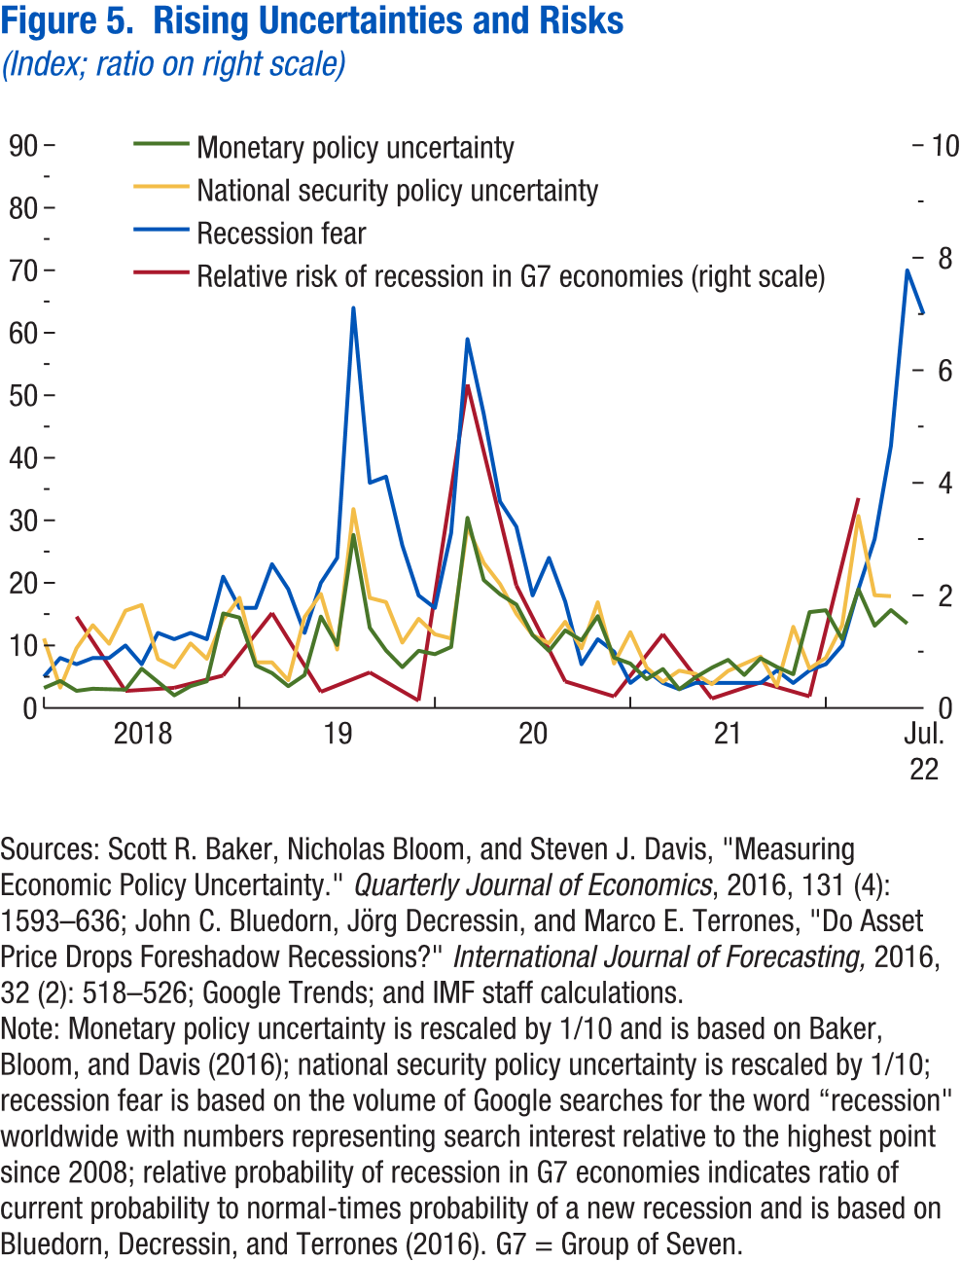
World Economic Outlook, July 2022 Update
 | Figure 5. Rising Uncertainties and Risks
 | (Index; ratio)

 |  | Monetary policy uncertainty | National security policy uncertainty | Recession fear |  | Relative risk of new recession in G7 economies
 | 2018M1 | 3.2 | 11.1 | 5 | 2018Q1 | 1.6
 | 2018M2 | 4.3 | 3.3 | 8 | 2018Q2 | 0.3
 | 2018M3 | 2.7 | 9.6 | 7 | 2018Q3 | 0.4
 | 2018M4 | 3.1 | 13.2 | 8 | 2018Q4 | 0.6
 | 2018M5 | 3.0 | 10.3 | 8 | 2019Q1 | 1.7
 | 2018M6 | 2.9 | 15.6 | 10 | 2019Q2 | 0.3
 | 2018M7 | 6.3 | 16.5 | 7 | 2019Q3 | 0.6
 | 2018M8 | 4.2 | 7.8 | 12 | 2019Q4 | 0.1
 | 2018M9 | 2.0 | 6.5 | 11 | 2020Q1 | 5.8
 | 2018M10 | 3.5 | 10.3 | 12 | 2020Q2 | 2.2
 | 2018M11 | 4.3 | 7.9 | 11 | 2020Q3 | 0.5
 | 2018M12 | 15.1 | 14.1 | 21 | 2020Q4 | 0.2
 | 2019M1 | 14.4 | 17.6 | 16 | 2021Q1 | 1.3
 | 2019M2 | 6.8 | 7.3 | 16 | 2021Q2 | 0.2
 | 2019M3 | 5.6 | 7.3 | 23 | 2021Q3 | 0.5
 | 2019M4 | 3.5 | 4.4 | 19 | 2021Q4 | 0.2
 | 2019M5 | 5.3 | 14.6 | 12 | 2022Q1 | 3.7
 | 2019M6 | 14.6 | 18.2 | 20
 | 2019M7 | 10.1 | 9.4 | 24
 | 2019M8 | 27.7 | 31.8 | 64
 | 2019M9 | 12.8 | 17.6 | 36
 | 2019M10 | 9.2 | 16.9 | 37
 | 2019M11 | 6.5 | 10.5 | 26
 | 2019M12 | 9.2 | 14.3 | 18
 | 2020M1 | 8.6 | 11.8 | 16
 | 2020M2 | 9.8 | 11.1 | 28
 | 2020M3 | 30.4 | 28.9 | 59
 | 2020M4 | 20.5 | 23.2 | 47
 | 2020M5 | 18.2 | 19.8 | 33
 | 2020M6 | 16.5 | 15.1 | 29
 | 2020M7 | 11.7 | 11.7 | 18
 | 2020M8 | 9.1 | 10.4 | 24
 | 2020M9 | 12.4 | 13.8 | 17
 | 2020M10 | 10.8 | 9.5 | 7
 | 2020M11 | 14.7 | 16.9 | 11
 | 2020M12 | 8.1 | 7.1 | 9
 | 2021M1 | 7.1 | 12.1 | 4
 | 2021M2 | 4.6 | 6.5 | 6
 | 2021M3 | 6.2 | 4.2 | 4
 | 2021M4 | 3.0 | 6.0 | 3
 | 2021M5 | 4.9 | 5.5 | 4
 | 2021M6 | 6.4 | 3.8 | 4
 | 2021M7 | 7.7 | 5.9 | 4
 | 2021M8 | 5.3 | 7.1 | 4
 | 2021M9 | 8.0 | 8.2 | 4
 | 2021M10 | 6.6 | 3.5 | 6
 | 2021M11 | 5.4 | 13.0 | 4
 | 2021M12 | 15.3 | 6.3 | 6
 | 2022M1 | 15.6 | 8.0 | 7
 | 2022M2 | 11.0 | 13.2 | 10
 | 2022M3 | 19.0 | 30.7 | 19
 | 2022M4 | 13.2 | 18.0 | 27
 | 2022M5 | 15.7 | 17.9 | 42
 | 2022M6 | 13.5 |  | 70
 | 2022M7 |  |  | 63

Figure 6
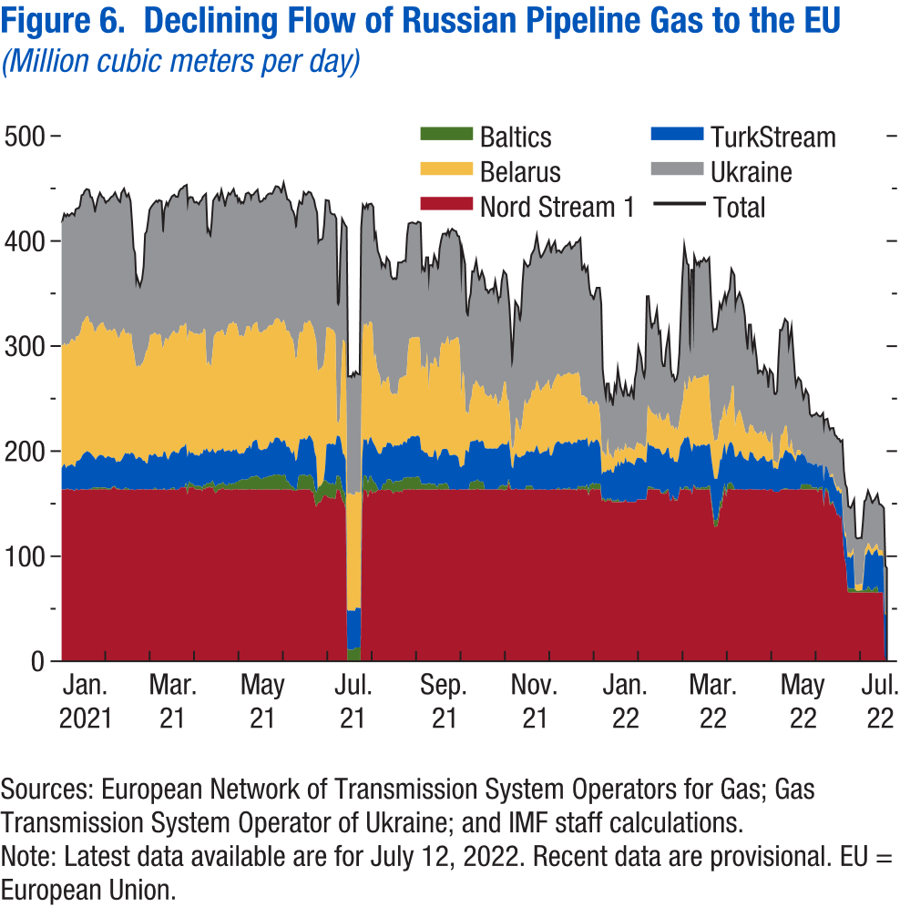
World Economic Outlook, July 2022 Update
 | Figure 6. Declining Flow of Russian Pipeline Gas to the EU
 | (Million cubic meters per day)

 | Data not available

Figure 7
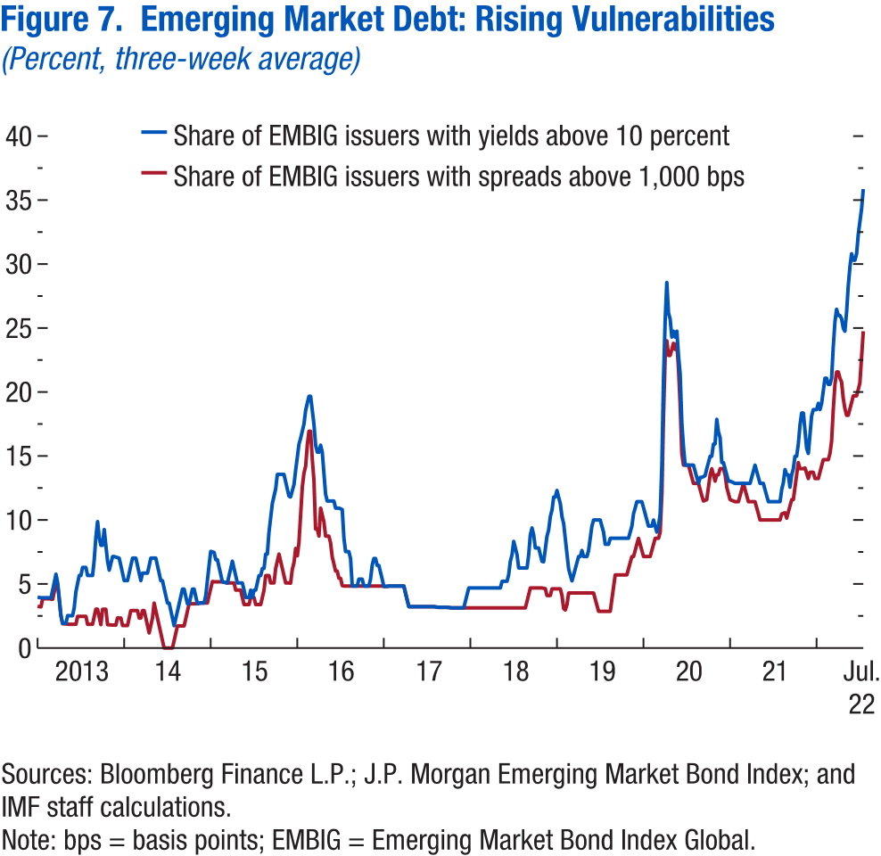
World Economic Outlook, July 2022 Update
 | Figure 7. Emerging Market Debt: Rising Vulnerabilities
 | (Percent, three-week average)

 |  | Share of EMBIG issuers with yields above 10 percent | Share of EMBIG issuers with spreads above 1,000 bps
 | 2013-01-04 | 4.0 | 3.3
 | 2013-01-11 | 4.0 | 3.2
 | 2013-01-18 | 3.9 | 3.2
 | 2013-01-25 | 3.9 | 3.9
 | 2013-02-01 | 3.9 | 3.9
 | 2013-02-08 | 3.9 | 3.9
 | 2013-02-15 | 3.9 | 3.9
 | 2013-02-22 | 3.9 | 3.9
 | 2013-03-01 | 3.9 | 3.8
 | 2013-03-08 | 4.5 | 3.8
 | 2013-03-15 | 5.1 | 4.4
 | 2013-03-22 | 5.8 | 5.0
 | 2013-03-29 | 5.1 | 5.0
 | 2013-04-05 | 3.9 | 3.8
 | 2013-04-12 | 2.6 | 2.5
 | 2013-04-19 | 1.9 | 1.9
 | 2013-04-26 | 1.9 | 1.9
 | 2013-05-03 | 1.9 | 1.9
 | 2013-05-10 | 2.5 | 1.9
 | 2013-05-17 | 2.5 | 1.9
 | 2013-05-24 | 2.5 | 1.9
 | 2013-05-31 | 2.5 | 1.9
 | 2013-06-07 | 3.1 | 1.9
 | 2013-06-14 | 4.4 | 1.9
 | 2013-06-21 | 5.0 | 2.5
 | 2013-06-28 | 5.7 | 2.5
 | 2013-07-05 | 5.7 | 2.5
 | 2013-07-12 | 6.3 | 2.5
 | 2013-07-19 | 6.3 | 2.5
 | 2013-07-26 | 6.3 | 2.5
 | 2013-08-02 | 5.7 | 1.9
 | 2013-08-09 | 5.7 | 1.9
 | 2013-08-16 | 5.7 | 1.9
 | 2013-08-23 | 5.7 | 1.9
 | 2013-08-30 | 6.9 | 2.5
 | 2013-09-06 | 8.7 | 3.0
 | 2013-09-13 | 9.9 | 3.0
 | 2013-09-20 | 8.6 | 2.4
 | 2013-09-27 | 8.0 | 1.8
 | 2013-10-04 | 8.0 | 3.0
 | 2013-10-11 | 9.3 | 3.0
 | 2013-10-18 | 8.0 | 3.0
 | 2013-10-25 | 6.8 | 1.8
 | 2013-11-01 | 6.1 | 1.8
 | 2013-11-08 | 6.6 | 1.8
 | 2013-11-15 | 7.1 | 1.8
 | 2013-11-22 | 7.1 | 1.8
 | 2013-11-29 | 7.1 | 1.8
 | 2013-12-06 | 7.1 | 2.4
 | 2013-12-13 | 7.0 | 2.3
 | 2013-12-20 | 6.4 | 2.3
 | 2013-12-27 | 5.9 | 1.8
 | 2014-01-03 | 5.3 | 1.8
 | 2014-01-10 | 5.3 | 1.8
 | 2014-01-17 | 5.3 | 1.8
 | 2014-01-24 | 5.9 | 2.3
 | 2014-01-31 | 6.4 | 2.9
 | 2014-02-07 | 7.0 | 2.9
 | 2014-02-14 | 7.0 | 2.9
 | 2014-02-21 | 7.0 | 2.9
 | 2014-02-28 | 6.4 | 2.9
 | 2014-03-07 | 5.9 | 2.3
 | 2014-03-14 | 5.3 | 2.3
 | 2014-03-21 | 5.9 | 2.9
 | 2014-03-28 | 5.9 | 2.9
 | 2014-04-04 | 5.9 | 2.3
 | 2014-04-11 | 5.9 | 1.8
 | 2014-04-18 | 6.4 | 1.2
 | 2014-04-25 | 7.0 | 1.8
 | 2014-05-02 | 7.0 | 2.3
 | 2014-05-09 | 7.0 | 3.5
 | 2014-05-16 | 7.0 | 2.9
 | 2014-05-23 | 6.4 | 2.3
 | 2014-05-30 | 5.9 | 1.8
 | 2014-06-06 | 5.3 | 1.2
 | 2014-06-13 | 5.3 | 0.6
 | 2014-06-20 | 4.7 | 0.0
 | 2014-06-27 | 4.1 | 0.0
 | 2014-07-04 | 3.5 | 0.0
 | 2014-07-11 | 3.5 | 0.0
 | 2014-07-18 | 2.9 | 0.0
 | 2014-07-25 | 2.3 | 0.0
 | 2014-08-01 | 1.7 | 0.6
 | 2014-08-08 | 2.3 | 1.2
 | 2014-08-15 | 2.9 | 1.7
 | 2014-08-22 | 3.5 | 1.7
 | 2014-08-29 | 4.0 | 1.7
 | 2014-09-05 | 4.6 | 1.7
 | 2014-09-12 | 4.6 | 1.7
 | 2014-09-19 | 4.0 | 2.3
 | 2014-09-26 | 3.5 | 2.9
 | 2014-10-03 | 3.5 | 3.5
 | 2014-10-10 | 4.0 | 3.5
 | 2014-10-17 | 4.6 | 3.5
 | 2014-10-24 | 4.6 | 3.5
 | 2014-10-31 | 4.0 | 3.5
 | 2014-11-07 | 3.5 | 3.5
 | 2014-11-14 | 3.5 | 3.5
 | 2014-11-21 | 3.5 | 3.5
 | 2014-11-28 | 3.5 | 3.5
 | 2014-12-05 | 3.5 | 3.5
 | 2014-12-12 | 4.1 | 3.5
 | 2014-12-19 | 5.3 | 3.5
 | 2014-12-26 | 6.4 | 4.1
 | 2015-01-02 | 7.6 | 4.7
 | 2015-01-09 | 7.5 | 5.2
 | 2015-01-16 | 7.5 | 5.2
 | 2015-01-23 | 6.9 | 5.2
 | 2015-01-30 | 6.9 | 5.2
 | 2015-02-06 | 6.3 | 5.2
 | 2015-02-13 | 5.8 | 5.2
 | 2015-02-20 | 5.2 | 5.2
 | 2015-02-27 | 5.1 | 5.1
 | 2015-03-06 | 5.1 | 5.1
 | 2015-03-13 | 5.1 | 5.1
 | 2015-03-20 | 5.7 | 5.1
 | 2015-03-27 | 6.2 | 5.1
 | 2015-04-03 | 6.8 | 5.1
 | 2015-04-10 | 6.2 | 5.1
 | 2015-04-17 | 5.7 | 4.5
 | 2015-04-24 | 5.1 | 4.5
 | 2015-05-01 | 5.1 | 4.5
 | 2015-05-08 | 5.1 | 4.5
 | 2015-05-15 | 5.1 | 4.0
 | 2015-05-22 | 4.5 | 3.4
 | 2015-05-29 | 4.0 | 3.4
 | 2015-06-05 | 4.0 | 3.4
 | 2015-06-12 | 4.0 | 3.4
 | 2015-06-19 | 4.5 | 4.0
 | 2015-06-26 | 4.0 | 4.0
 | 2015-07-03 | 4.5 | 4.0
 | 2015-07-10 | 4.5 | 3.4
 | 2015-07-17 | 5.1 | 3.4
 | 2015-07-24 | 5.7 | 3.4
 | 2015-07-31 | 5.7 | 3.4
 | 2015-08-07 | 6.2 | 4.0
 | 2015-08-14 | 6.2 | 4.5
 | 2015-08-21 | 7.3 | 5.7
 | 2015-08-28 | 7.3 | 5.7
 | 2015-09-04 | 9.0 | 5.7
 | 2015-09-11 | 10.2 | 5.1
 | 2015-09-18 | 11.3 | 5.1
 | 2015-09-25 | 11.9 | 5.1
 | 2015-10-02 | 12.4 | 6.2
 | 2015-10-09 | 13.6 | 6.8
 | 2015-10-16 | 13.6 | 7.3
 | 2015-10-23 | 13.6 | 6.8
 | 2015-10-30 | 13.6 | 6.2
 | 2015-11-06 | 13.6 | 5.7
 | 2015-11-13 | 13.0 | 5.1
 | 2015-11-20 | 12.4 | 5.1
 | 2015-11-27 | 11.9 | 5.1
 | 2015-12-04 | 11.8 | 5.1
 | 2015-12-11 | 12.3 | 6.1
 | 2015-12-18 | 12.8 | 6.7
 | 2015-12-25 | 13.9 | 7.8
 | 2016-01-01 | 14.9 | 7.2
 | 2016-01-08 | 15.9 | 8.2
 | 2016-01-15 | 16.4 | 10.4
 | 2016-01-22 | 16.9 | 12.6
 | 2016-01-29 | 17.5 | 13.7
 | 2016-02-05 | 18.6 | 14.2
 | 2016-02-12 | 19.1 | 15.9
 | 2016-02-19 | 19.7 | 16.9
 | 2016-02-26 | 19.7 | 16.9
 | 2016-03-04 | 18.6 | 14.8
 | 2016-03-11 | 17.5 | 13.1
 | 2016-03-18 | 15.9 | 9.3
 | 2016-03-25 | 15.3 | 9.3
 | 2016-04-01 | 15.3 | 8.7
 | 2016-04-08 | 15.9 | 10.9
 | 2016-04-15 | 15.3 | 10.4
 | 2016-04-22 | 13.7 | 9.8
 | 2016-04-29 | 12.0 | 8.7
 | 2016-05-06 | 11.5 | 8.7
 | 2016-05-13 | 11.5 | 8.7
 | 2016-05-20 | 11.5 | 8.2
 | 2016-05-27 | 11.5 | 7.1
 | 2016-06-03 | 11.5 | 6.6
 | 2016-06-10 | 10.9 | 6.0
 | 2016-06-17 | 10.9 | 6.0
 | 2016-06-24 | 10.9 | 5.5
 | 2016-07-01 | 10.9 | 5.4
 | 2016-07-08 | 10.8 | 4.9
 | 2016-07-15 | 8.6 | 4.8
 | 2016-07-22 | 7.5 | 4.8
 | 2016-07-29 | 7.5 | 4.8
 | 2016-08-05 | 7.5 | 4.8
 | 2016-08-12 | 7.0 | 4.8
 | 2016-08-19 | 4.8 | 4.8
 | 2016-08-26 | 4.8 | 4.8
 | 2016-09-02 | 4.8 | 4.8
 | 2016-09-09 | 4.8 | 4.8
 | 2016-09-16 | 5.4 | 4.8
 | 2016-09-23 | 5.4 | 4.8
 | 2016-09-30 | 5.4 | 4.8
 | 2016-10-07 | 4.8 | 4.8
 | 2016-10-14 | 4.8 | 4.8
 | 2016-10-21 | 4.8 | 4.8
 | 2016-10-28 | 4.8 | 4.8
 | 2016-11-04 | 5.4 | 4.8
 | 2016-11-11 | 6.5 | 4.8
 | 2016-11-18 | 7.0 | 4.8
 | 2016-11-25 | 7.0 | 4.8
 | 2016-12-02 | 6.5 | 4.8
 | 2016-12-09 | 6.5 | 4.8
 | 2016-12-16 | 5.9 | 4.8
 | 2016-12-23 | 5.4 | 4.8
 | 2016-12-30 | 4.8 | 4.8
 | 2017-01-06 | 4.8 | 4.8
 | 2017-01-13 | 4.8 | 4.8
 | 2017-01-20 | 4.8 | 4.8
 | 2017-01-27 | 4.8 | 4.8
 | 2017-02-03 | 4.8 | 4.8
 | 2017-02-10 | 4.8 | 4.8
 | 2017-02-17 | 4.8 | 4.8
 | 2017-02-24 | 4.8 | 4.8
 | 2017-03-03 | 4.8 | 4.8
 | 2017-03-10 | 4.8 | 4.8
 | 2017-03-17 | 4.8 | 4.8
 | 2017-03-24 | 4.8 | 4.8
 | 2017-03-31 | 4.3 | 4.3
 | 2017-04-07 | 3.8 | 3.8
 | 2017-04-14 | 3.2 | 3.2
 | 2017-04-21 | 3.2 | 3.2
 | 2017-04-28 | 3.2 | 3.2
 | 2017-05-05 | 3.2 | 3.2
 | 2017-05-12 | 3.2 | 3.2
 | 2017-05-19 | 3.2 | 3.2
 | 2017-05-26 | 3.2 | 3.2
 | 2017-06-02 | 3.2 | 3.2
 | 2017-06-09 | 3.2 | 3.2
 | 2017-06-16 | 3.2 | 3.2
 | 2017-06-23 | 3.2 | 3.2
 | 2017-06-30 | 3.2 | 3.2
 | 2017-07-07 | 3.2 | 3.2
 | 2017-07-14 | 3.2 | 3.2
 | 2017-07-21 | 3.2 | 3.2
 | 2017-07-28 | 3.2 | 3.2
 | 2017-08-04 | 3.2 | 3.2
 | 2017-08-11 | 3.2 | 3.2
 | 2017-08-18 | 3.2 | 3.2
 | 2017-08-25 | 3.2 | 3.2
 | 2017-09-01 | 3.2 | 3.2
 | 2017-09-08 | 3.2 | 3.2
 | 2017-09-15 | 3.2 | 3.2
 | 2017-09-22 | 3.2 | 3.2
 | 2017-09-29 | 3.2 | 3.2
 | 2017-10-06 | 3.1 | 3.1
 | 2017-10-13 | 3.1 | 3.1
 | 2017-10-20 | 3.1 | 3.1
 | 2017-10-27 | 3.1 | 3.1
 | 2017-11-03 | 3.1 | 3.1
 | 2017-11-10 | 3.1 | 3.1
 | 2017-11-17 | 3.1 | 3.1
 | 2017-11-24 | 3.1 | 3.1
 | 2017-12-01 | 3.1 | 3.1
 | 2017-12-08 | 3.7 | 3.1
 | 2017-12-15 | 4.2 | 3.1
 | 2017-12-22 | 4.7 | 3.1
 | 2017-12-29 | 4.7 | 3.1
 | 2018-01-05 | 4.7 | 3.1
 | 2018-01-12 | 4.7 | 3.1
 | 2018-01-19 | 4.7 | 3.1
 | 2018-01-26 | 4.7 | 3.1
 | 2018-02-02 | 4.7 | 3.1
 | 2018-02-09 | 4.7 | 3.1
 | 2018-02-16 | 4.7 | 3.1
 | 2018-02-23 | 4.7 | 3.1
 | 2018-03-02 | 4.7 | 3.1
 | 2018-03-09 | 4.7 | 3.1
 | 2018-03-16 | 4.7 | 3.1
 | 2018-03-23 | 4.7 | 3.1
 | 2018-03-30 | 4.7 | 3.1
 | 2018-04-06 | 4.7 | 3.1
 | 2018-04-13 | 4.7 | 3.1
 | 2018-04-20 | 4.7 | 3.1
 | 2018-04-27 | 4.7 | 3.1
 | 2018-05-04 | 4.7 | 3.1
 | 2018-05-11 | 5.2 | 3.1
 | 2018-05-18 | 5.2 | 3.1
 | 2018-05-25 | 5.2 | 3.1
 | 2018-06-01 | 5.2 | 3.1
 | 2018-06-08 | 5.7 | 3.1
 | 2018-06-15 | 6.8 | 3.1
 | 2018-06-22 | 7.3 | 3.1
 | 2018-06-29 | 8.3 | 3.1
 | 2018-07-06 | 7.8 | 3.1
 | 2018-07-13 | 7.3 | 3.1
 | 2018-07-20 | 6.3 | 3.1
 | 2018-07-27 | 6.3 | 3.1
 | 2018-08-03 | 6.3 | 3.1
 | 2018-08-10 | 6.3 | 3.1
 | 2018-08-17 | 6.3 | 3.1
 | 2018-08-24 | 6.3 | 3.7
 | 2018-08-31 | 7.3 | 4.2
 | 2018-09-07 | 8.9 | 4.7
 | 2018-09-14 | 9.4 | 4.7
 | 2018-09-21 | 8.9 | 4.7
 | 2018-09-28 | 7.8 | 4.7
 | 2018-10-05 | 7.8 | 4.7
 | 2018-10-12 | 7.8 | 4.7
 | 2018-10-19 | 7.3 | 4.7
 | 2018-10-26 | 6.8 | 4.7
 | 2018-11-02 | 6.7 | 4.7
 | 2018-11-09 | 7.7 | 4.6
 | 2018-11-16 | 8.7 | 4.1
 | 2018-11-23 | 9.2 | 4.1
 | 2018-11-30 | 10.3 | 4.1
 | 2018-12-07 | 10.8 | 4.6
 | 2018-12-14 | 11.8 | 4.6
 | 2018-12-21 | 11.8 | 4.6
 | 2018-12-28 | 12.3 | 4.6
 | 2019-01-04 | 11.8 | 4.6
 | 2019-01-11 | 11.3 | 4.6
 | 2019-01-18 | 10.3 | 4.1
 | 2019-01-25 | 9.7 | 3.1
 | 2019-02-01 | 8.5 | 3.0
 | 2019-02-08 | 7.4 | 3.4
 | 2019-02-15 | 6.2 | 4.3
 | 2019-02-22 | 5.7 | 4.3
 | 2019-03-01 | 5.2 | 4.3
 | 2019-03-08 | 5.7 | 4.3
 | 2019-03-15 | 6.2 | 4.3
 | 2019-03-22 | 6.7 | 4.3
 | 2019-03-29 | 7.1 | 4.3
 | 2019-04-05 | 7.1 | 4.3
 | 2019-04-12 | 7.6 | 4.3
 | 2019-04-19 | 7.1 | 4.3
 | 2019-04-26 | 7.1 | 4.3
 | 2019-05-03 | 7.1 | 4.3
 | 2019-05-10 | 7.6 | 4.3
 | 2019-05-17 | 8.6 | 4.3
 | 2019-05-24 | 9.5 | 4.3
 | 2019-05-31 | 10.0 | 4.3
 | 2019-06-07 | 10.0 | 3.8
 | 2019-06-14 | 10.0 | 3.3
 | 2019-06-21 | 10.0 | 2.9
 | 2019-06-28 | 10.0 | 2.9
 | 2019-07-05 | 9.5 | 2.9
 | 2019-07-12 | 9.1 | 2.9
 | 2019-07-19 | 8.1 | 2.9
 | 2019-07-26 | 8.1 | 2.9
 | 2019-08-02 | 8.1 | 2.9
 | 2019-08-09 | 8.6 | 2.9
 | 2019-08-16 | 8.6 | 3.8
 | 2019-08-23 | 8.6 | 4.8
 | 2019-08-30 | 8.6 | 5.7
 | 2019-09-06 | 8.6 | 5.7
 | 2019-09-13 | 8.6 | 5.7
 | 2019-09-20 | 8.6 | 5.7
 | 2019-09-27 | 8.6 | 5.7
 | 2019-10-04 | 8.6 | 5.7
 | 2019-10-11 | 8.6 | 5.7
 | 2019-10-18 | 8.6 | 5.7
 | 2019-10-25 | 8.6 | 6.2
 | 2019-11-01 | 9.1 | 6.7
 | 2019-11-08 | 9.5 | 7.1
 | 2019-11-15 | 10.5 | 7.1
 | 2019-11-22 | 11.0 | 7.6
 | 2019-11-29 | 11.4 | 8.1
 | 2019-12-06 | 11.4 | 8.6
 | 2019-12-13 | 11.4 | 8.1
 | 2019-12-20 | 11.4 | 7.6
 | 2019-12-27 | 11.0 | 7.1
 | 2020-01-03 | 10.5 | 7.1
 | 2020-01-10 | 10.0 | 7.1
 | 2020-01-17 | 9.5 | 7.1
 | 2020-01-24 | 9.5 | 7.1
 | 2020-01-31 | 9.5 | 7.6
 | 2020-02-07 | 10.0 | 8.1
 | 2020-02-14 | 9.5 | 8.6
 | 2020-02-21 | 9.1 | 8.6
 | 2020-02-28 | 9.5 | 8.6
 | 2020-03-06 | 10.5 | 9.1
 | 2020-03-13 | 14.3 | 11.9
 | 2020-03-20 | 21.0 | 18.1
 | 2020-03-27 | 25.7 | 22.9
 | 2020-04-03 | 28.6 | 24.0
 | 2020-04-10 | 26.2 | 22.9
 | 2020-04-17 | 25.7 | 22.9
 | 2020-04-24 | 24.3 | 23.3
 | 2020-05-01 | 24.8 | 23.8
 | 2020-05-08 | 24.3 | 23.3
 | 2020-05-15 | 24.8 | 23.8
 | 2020-05-22 | 22.9 | 21.9
 | 2020-05-29 | 21.4 | 19.1
 | 2020-06-05 | 17.6 | 15.2
 | 2020-06-12 | 15.7 | 14.3
 | 2020-06-19 | 14.3 | 14.3
 | 2020-06-26 | 14.3 | 14.3
 | 2020-07-03 | 14.3 | 14.3
 | 2020-07-10 | 14.3 | 13.8
 | 2020-07-17 | 14.3 | 13.3
 | 2020-07-24 | 14.3 | 12.9
 | 2020-07-31 | 13.8 | 12.9
 | 2020-08-07 | 13.3 | 12.9
 | 2020-08-14 | 12.9 | 12.9
 | 2020-08-21 | 13.3 | 12.4
 | 2020-08-28 | 13.3 | 11.9
 | 2020-09-04 | 13.4 | 11.5
 | 2020-09-11 | 13.5 | 11.5
 | 2020-09-18 | 14.0 | 11.6
 | 2020-09-25 | 14.5 | 12.6
 | 2020-10-02 | 15.0 | 13.5
 | 2020-10-09 | 15.0 | 14.0
 | 2020-10-16 | 15.9 | 13.5
 | 2020-10-23 | 15.9 | 13.0
 | 2020-10-30 | 17.9 | 13.5
 | 2020-11-06 | 16.9 | 13.5
 | 2020-11-13 | 16.4 | 14.0
 | 2020-11-20 | 14.5 | 14.0
 | 2020-11-27 | 14.5 | 14.0
 | 2020-12-04 | 14.0 | 13.5
 | 2020-12-11 | 13.5 | 12.6
 | 2020-12-18 | 13.0 | 12.1
 | 2020-12-25 | 13.0 | 11.6
 | 2021-01-01 | 13.0 | 11.5
 | 2021-01-08 | 12.9 | 11.5
 | 2021-01-15 | 12.9 | 11.4
 | 2021-01-22 | 12.9 | 11.4
 | 2021-01-29 | 12.9 | 11.4
 | 2021-02-05 | 12.9 | 11.9
 | 2021-02-12 | 12.9 | 12.4
 | 2021-02-19 | 12.9 | 12.9
 | 2021-02-26 | 12.9 | 12.4
 | 2021-03-05 | 12.9 | 11.9
 | 2021-03-12 | 12.9 | 11.4
 | 2021-03-19 | 12.9 | 11.4
 | 2021-03-26 | 13.3 | 11.4
 | 2021-04-02 | 13.8 | 11.4
 | 2021-04-09 | 14.3 | 11.4
 | 2021-04-16 | 13.8 | 11.0
 | 2021-04-23 | 13.3 | 10.5
 | 2021-04-30 | 12.9 | 10.0
 | 2021-05-07 | 12.9 | 10.0
 | 2021-05-14 | 12.9 | 10.0
 | 2021-05-21 | 12.4 | 10.0
 | 2021-05-28 | 11.9 | 10.0
 | 2021-06-04 | 11.4 | 10.0
 | 2021-06-11 | 11.4 | 10.0
 | 2021-06-18 | 11.4 | 10.0
 | 2021-06-25 | 11.4 | 10.0
 | 2021-07-02 | 11.4 | 10.0
 | 2021-07-09 | 11.4 | 10.0
 | 2021-07-16 | 11.4 | 10.0
 | 2021-07-23 | 11.4 | 10.0
 | 2021-07-30 | 12.4 | 10.5
 | 2021-08-06 | 12.9 | 10.5
 | 2021-08-13 | 13.9 | 10.6
 | 2021-08-20 | 13.5 | 10.1
 | 2021-08-27 | 13.5 | 10.6
 | 2021-09-03 | 12.6 | 11.1
 | 2021-09-10 | 13.5 | 11.6
 | 2021-09-17 | 14.0 | 11.6
 | 2021-09-24 | 15.0 | 12.6
 | 2021-10-01 | 15.0 | 13.5
 | 2021-10-08 | 15.9 | 14.5
 | 2021-10-15 | 17.4 | 14.0
 | 2021-10-22 | 18.4 | 14.0
 | 2021-10-29 | 18.4 | 14.0
 | 2021-11-05 | 17.0 | 14.1
 | 2021-11-12 | 15.6 | 13.7
 | 2021-11-19 | 15.2 | 13.2
 | 2021-11-26 | 16.7 | 13.7
 | 2021-12-03 | 18.1 | 13.7
 | 2021-12-10 | 18.6 | 13.7
 | 2021-12-17 | 18.6 | 13.2
 | 2021-12-24 | 18.6 | 13.2
 | 2021-12-31 | 19.1 | 13.2
 | 2022-01-07 | 18.6 | 13.7
 | 2022-01-14 | 19.1 | 14.2
 | 2022-01-21 | 20.1 | 14.7
 | 2022-01-28 | 21.1 | 14.7
 | 2022-02-04 | 21.1 | 14.7
 | 2022-02-11 | 20.6 | 14.7
 | 2022-02-18 | 20.6 | 15.2
 | 2022-02-25 | 21.1 | 16.2
 | 2022-03-04 | 23.5 | 18.6
 | 2022-03-11 | 25.5 | 20.6
 | 2022-03-18 | 26.5 | 21.6
 | 2022-03-25 | 26.0 | 21.6
 | 2022-04-01 | 26.0 | 21.1
 | 2022-04-08 | 25.7 | 20.8
 | 2022-04-15 | 25.0 | 19.5
 | 2022-04-22 | 24.8 | 18.7
 | 2022-04-29 | 26.3 | 18.2
 | 2022-05-06 | 28.3 | 18.2
 | 2022-05-13 | 29.8 | 18.7
 | 2022-05-20 | 30.8 | 19.2
 | 2022-05-27 | 30.3 | 19.7
 | 2022-06-03 | 30.3 | 19.7
 | 2022-06-10 | 30.8 | 19.7
 | 2022-06-17 | 32.3 | 20.2
 | 2022-06-24 | 33.3 | 20.7
 | 2022-07-01 | 34.3 | 22.7
 | 2022-07-08 | 35.9 | 24.8

Figure 8
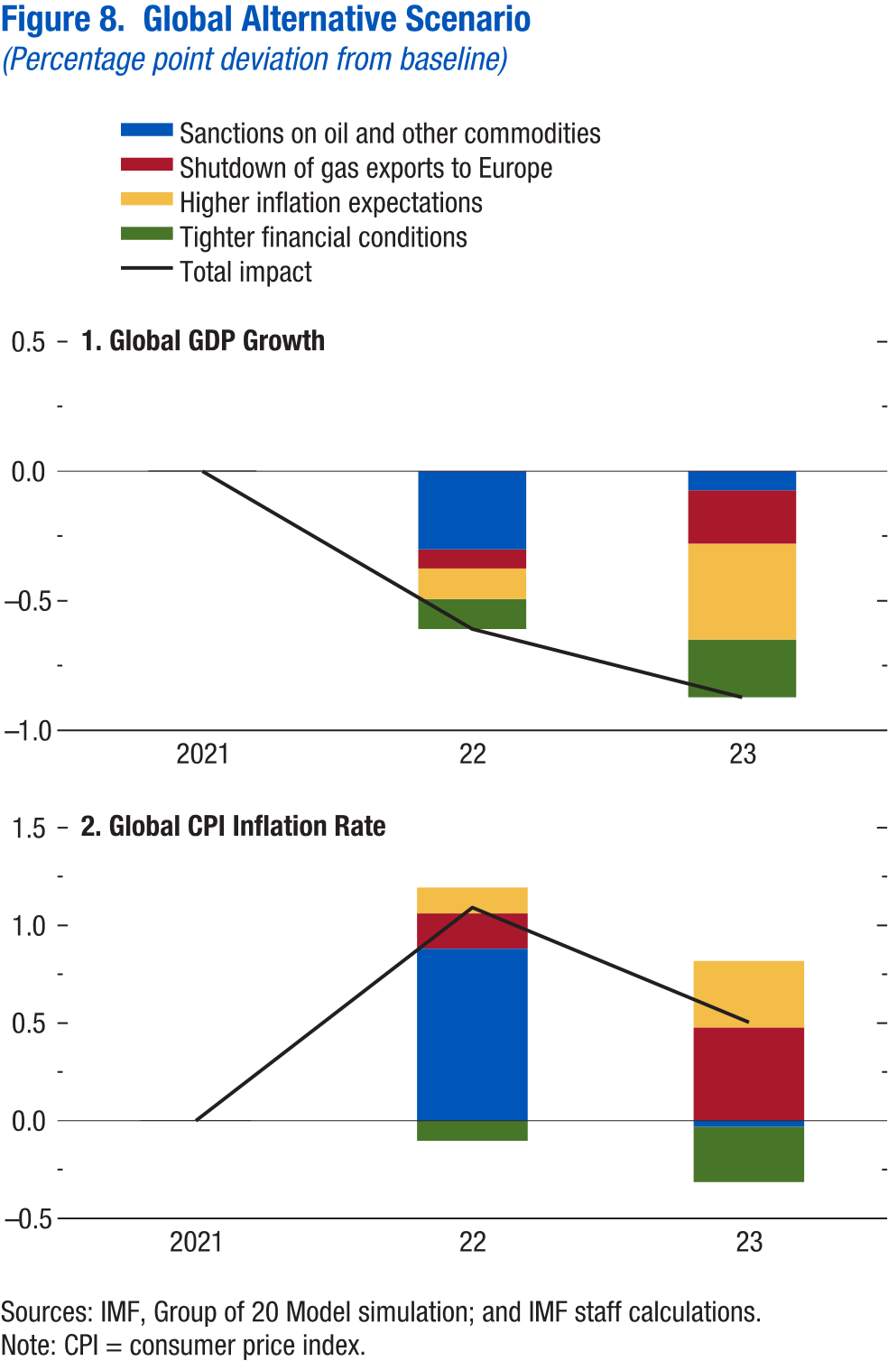
World Economic Outlook, July 2022 Update
 | Figure 8. Global Alternative Scenario
 | (Percentage point deviation from baseline)

 | 1. Global GDP Growth |  |  |  | 2. Global CPI Inflation Rate

 |  | 2021 | 2022 | 2023 |  | 2021 | 2022 | 2023
 | Sanctions on oil and other commodities | 0 | -0.3 | -0.1 | Sanctions on oil and other commodities | 0 | 0.9 | 0.0
 | Shutdown of gas exports to Europe | 0 | -0.1 | -0.2 | Shutdown of gas exports to Europe | 0 | 0.2 | 0.5
 | Higher inflation expectations | 0 | -0.1 | -0.4 | Higher inflation expectations | 0 | 0.1 | 0.3
 | Tighter financial conditions | 0 | -0.1 | -0.2 | Tighter financial conditions | 0 | -0.1 | -0.3
 | Total impact | 0 | -0.6 | -0.9 | Total impact | 0 | 1.1 | 0.5

Figure 1.1
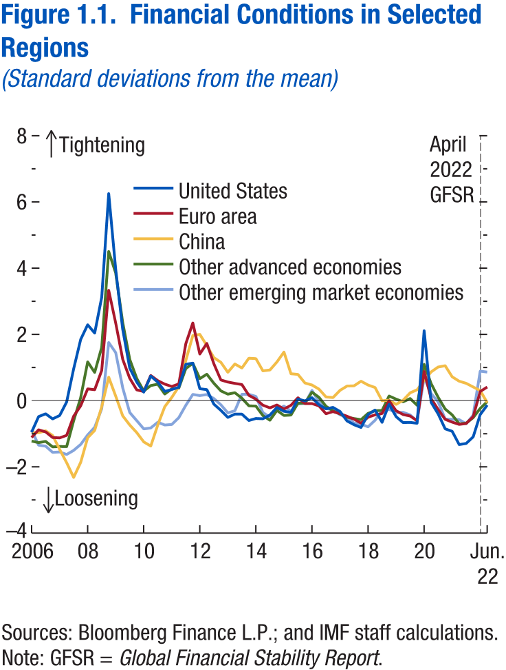
World Economic Outlook, July 2022 Update
 | Figure 1.1. Financial Conditions in Selected Regions
 | (Standard deviations from the mean)

 |  | United States | Euro area | China | Other advanced economies | Other emerging market economies
 | 2006-03-31 | -1.0 | -1.1 | -1.0 | -1.2 | -0.9
 | 2006-06-30 | -0.5 | -0.9 | -1.0 | -1.3 | -1.3
 | 2006-09-29 | -0.4 | -0.9 | -0.9 | -1.2 | -1.4
 | 2006-12-29 | -0.6 | -1.1 | -1.1 | -1.4 | -1.6
 | 2007-03-30 | -0.5 | -1.1 | -1.5 | -1.4 | -1.6
 | 2007-06-29 | 0.0 | -1.1 | -1.9 | -1.4 | -1.6
 | 2007-09-28 | 1.0 | -0.5 | -2.3 | -0.6 | -1.5
 | 2007-12-31 | 1.8 | -0.2 | -1.9 | 0.1 | -1.3
 | 2008-03-31 | 2.3 | 0.4 | -1.1 | 1.2 | -1.0
 | 2008-06-30 | 2.0 | 0.3 | -0.9 | 0.9 | -0.8
 | 2008-09-30 | 3.1 | 0.9 | -0.2 | 1.6 | -0.2
 | 2008-12-31 | 6.3 | 3.3 | 0.7 | 4.5 | 1.8
 | 2009-03-31 | 4.0 | 2.3 | 0.1 | 3.9 | 1.4
 | 2009-06-30 | 2.1 | 1.2 | -0.5 | 2.4 | 0.4
 | 2009-09-30 | 1.0 | 0.7 | -0.7 | 1.2 | -0.4
 | 2009-12-31 | 0.6 | 0.3 | -1.0 | 0.7 | -0.6
 | 2010-03-31 | 0.3 | 0.3 | -1.2 | 0.3 | -0.9
 | 2010-06-30 | 0.7 | 0.8 | -1.4 | 0.5 | -0.8
 | 2010-09-30 | 0.6 | 0.6 | -0.7 | 0.5 | -0.7
 | 2010-12-31 | 0.3 | 0.5 | -0.2 | 0.2 | -0.7
 | 2011-03-31 | 0.3 | 0.4 | 0.1 | 0.4 | -0.7
 | 2011-06-30 | 0.4 | 0.5 | 0.4 | 0.4 | -0.5
 | 2011-09-30 | 1.1 | 1.7 | 1.2 | 1.0 | -0.1
 | 2011-12-30 | 1.1 | 2.3 | 2.0 | 1.1 | 0.2
 | 2012-03-30 | 0.4 | 1.4 | 2.0 | 0.7 | 0.2
 | 2012-06-29 | 0.3 | 1.7 | 1.7 | 0.8 | 0.2
 | 2012-09-28 | -0.1 | 1.1 | 1.3 | 0.5 | 0.1
 | 2012-12-31 | -0.3 | 0.6 | 1.2 | 0.3 | -0.1
 | 2013-03-29 | -0.5 | 0.6 | 0.9 | 0.2 | -0.4
 | 2013-06-28 | -0.4 | 0.5 | 1.1 | 0.2 | -0.3
 | 2013-09-30 | -0.4 | 0.5 | 1.0 | 0.1 | 0.2
 | 2013-12-31 | -0.6 | 0.2 | 1.3 | -0.2 | 0.2
 | 2014-03-31 | -0.5 | 0.0 | 1.3 | -0.2 | 0.1
 | 2014-06-30 | -0.5 | -0.1 | 0.9 | -0.5 | -0.4
 | 2014-09-30 | -0.4 | -0.2 | 0.9 | -0.6 | -0.5
 | 2014-12-31 | -0.2 | -0.1 | 1.2 | -0.3 | -0.3
 | 2015-03-31 | -0.3 | -0.3 | 1.5 | -0.4 | -0.2
 | 2015-06-30 | -0.4 | -0.1 | 0.8 | -0.4 | -0.3
 | 2015-09-30 | 0.0 | 0.1 | 0.8 | -0.1 | -0.1
 | 2015-12-31 | 0.0 | -0.1 | 0.5 | -0.1 | -0.1
 | 2016-03-31 | 0.1 | -0.1 | 0.5 | 0.3 | 0.3
 | 2016-06-30 | -0.1 | -0.2 | 0.3 | 0.1 | 0.0
 | 2016-09-30 | -0.2 | -0.4 | 0.1 | -0.2 | -0.2
 | 2016-12-30 | -0.2 | -0.3 | 0.1 | -0.3 | -0.3
 | 2017-03-31 | -0.3 | -0.4 | 0.3 | -0.4 | -0.4
 | 2017-06-30 | -0.6 | -0.5 | 0.4 | -0.5 | -0.5
 | 2017-09-29 | -0.7 | -0.6 | 0.4 | -0.5 | -0.7
 | 2017-12-29 | -0.8 | -0.7 | 0.6 | -0.6 | -0.7
 | 2018-03-30 | -0.4 | -0.5 | 0.5 | -0.4 | -0.8
 | 2018-06-29 | -0.3 | -0.4 | 0.4 | -0.3 | -0.6
 | 2018-09-28 | -0.7 | -0.4 | 0.0 | -0.3 | -0.3
 | 2018-12-31 | -0.1 | 0.0 | 0.0 | 0.1 | -0.3
 | 2019-03-29 | -0.5 | -0.3 | -0.1 | 0.0 | -0.4
 | 2019-06-28 | -0.7 | -0.4 | 0.0 | 0.0 | -0.4
 | 2019-09-30 | -0.7 | -0.5 | 0.2 | 0.1 | -0.4
 | 2019-12-31 | -0.7 | -0.6 | 0.3 | -0.1 | -0.6
 | 2020-03-31 | 2.1 | 0.9 | 0.6 | 1.1 | 0.7
 | 2020-06-30 | -0.1 | 0.1 | 0.9 | 0.5 | 0.2
 | 2020-09-30 | -0.4 | -0.3 | 1.0 | 0.1 | 0.0
 | 2020-12-31 | -0.9 | -0.6 | 1.1 | -0.3 | -0.6
 | 2021-03-31 | -0.9 | -0.6 | 0.7 | -0.4 | -0.6
 | 2021-06-30 | -1.3 | -0.7 | 0.6 | -0.7 | -0.6
 | 2021-09-30 | -1.3 | -0.7 | 0.5 | -0.7 | -0.7
 | 2021-12-31 | -1.1 | -0.5 | 0.4 | -0.5 | -0.4
 | 2022-03-31 | -0.4 | 0.3 | 0.3 | -0.2 | 0.9
 | 2022-06-30 | -0.1 | 0.4 | -0.1 | 0.0 | 0.9

Figure 1.2
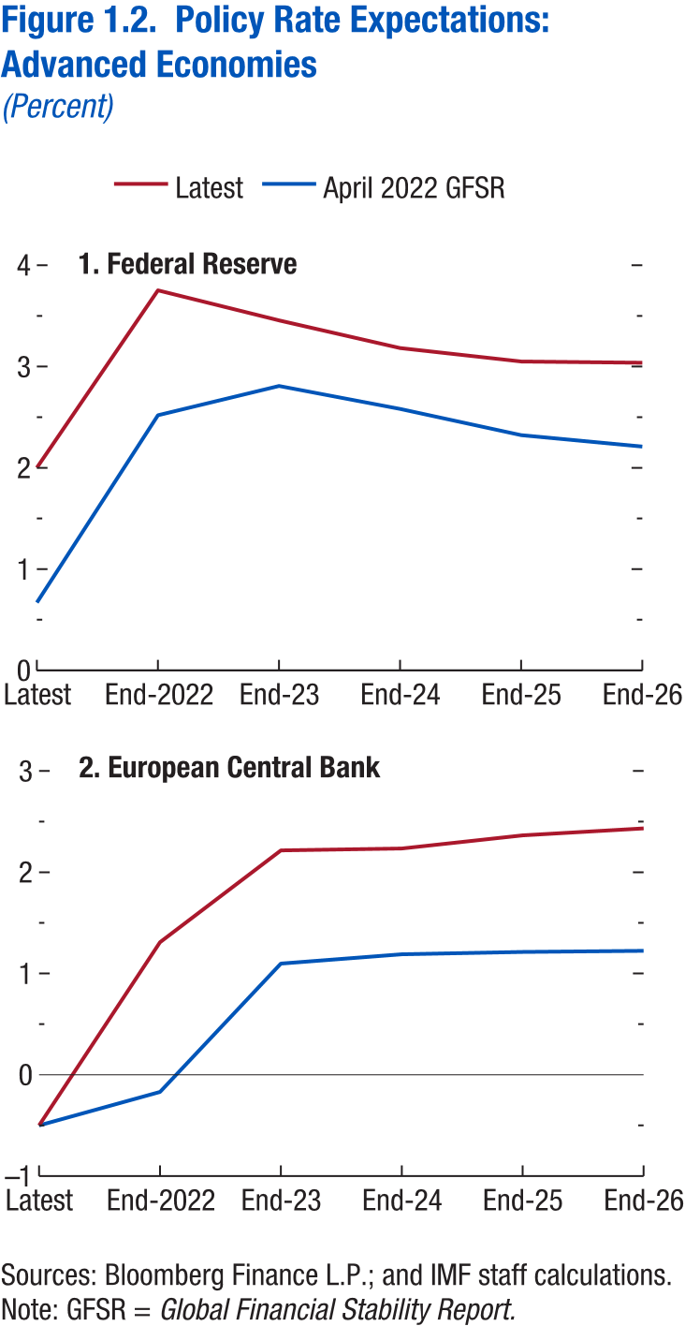
World Economic Outlook, July 2022 Update
 | Figure 1.2. Policy Rate Expectations: Advanced Economies
 | (Percent)

 | 1. Federal Reserve | 2. European Central Bank

 | Data not available | Data not available

Figure 1.3
Sources: Baker, Bloom, and Davis 2016; www.PolicyUncertainty.com.
Note: The global index is calculated as the GDP-weighted average of monthly index values for sample of 18 advanced, emerging market, and middle-income economies. Each monthly national index value is proportional to the share of own-country newspaper articles that discussed economic policy uncertainty in that month.
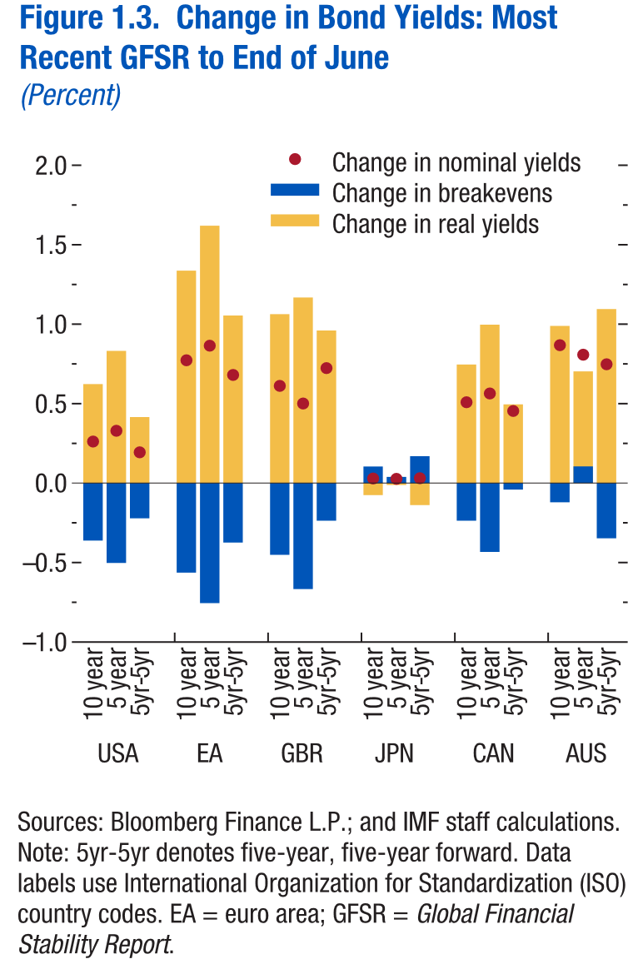
World Economic Outlook, July 2022 Update
 | Figure 1.3. Change in Bond Yields: Most Recent GFSR to End of June
 | (Percent)

 | Data not available

Figure 1.4
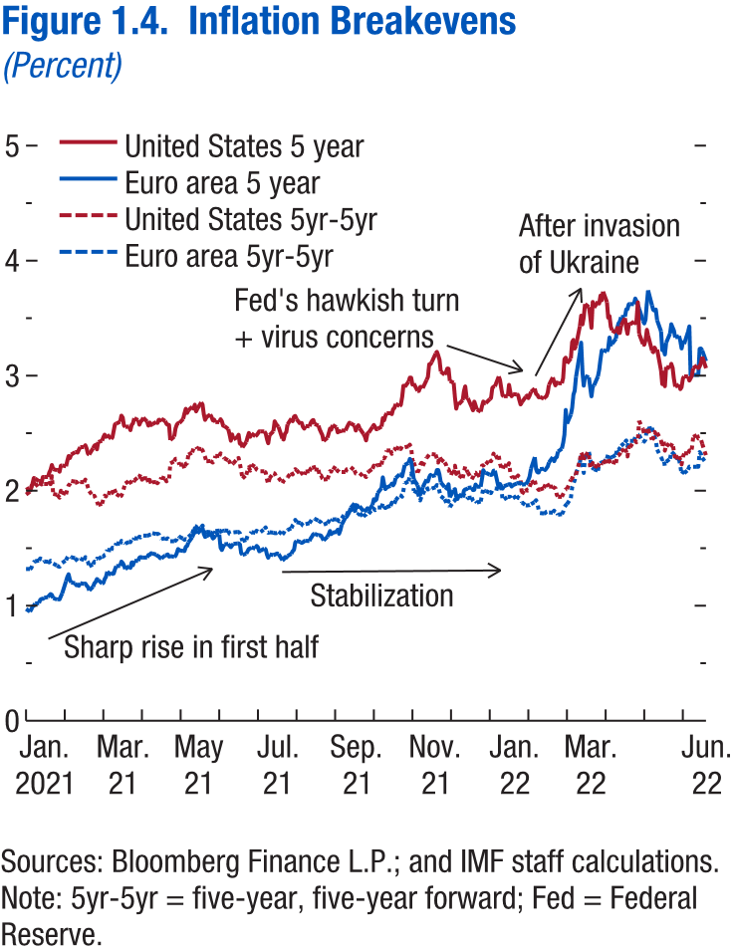
World Economic Outlook, July 2022 Update
 | Figure 1.4. Inflation Breakevens
 | (Percent)

 | Data not available

Figure 1.5
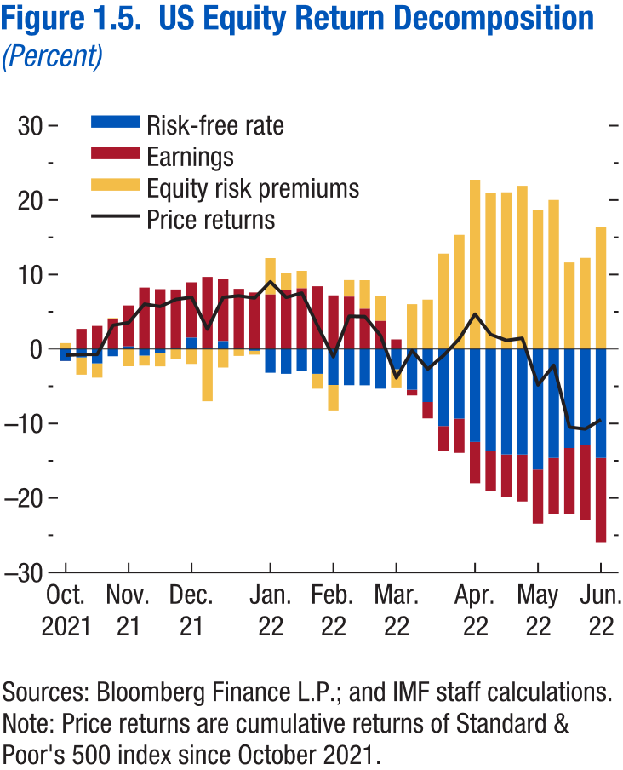
World Economic Outlook, July 2022 Update
 | Figure 1.5. US Equity Return Decomposition
 | (Percent)

 | Data not available

Figure 1.6
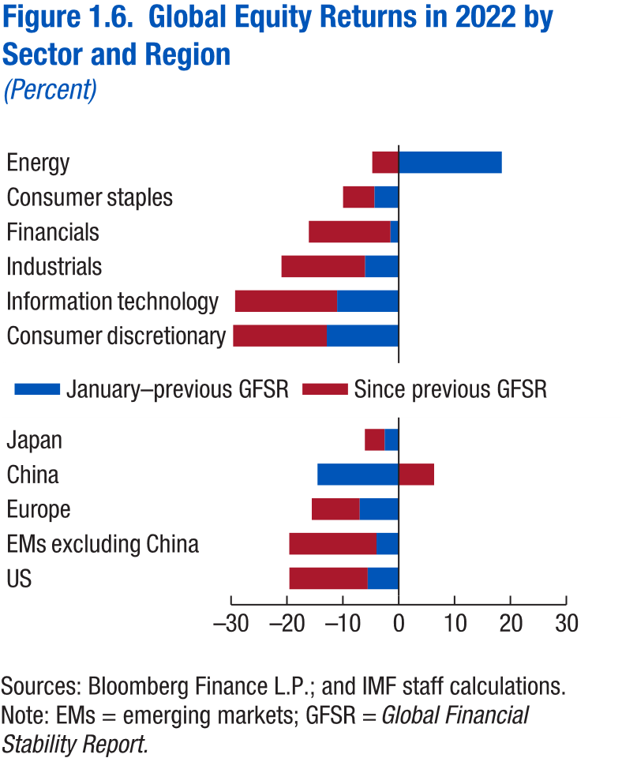
World Economic Outlook, July 2022 Update
 | Figure 1.6. Global Equity Returns in 2022 by Sector and Region
 | (Percent)

 | Data not available

Figure 1.7
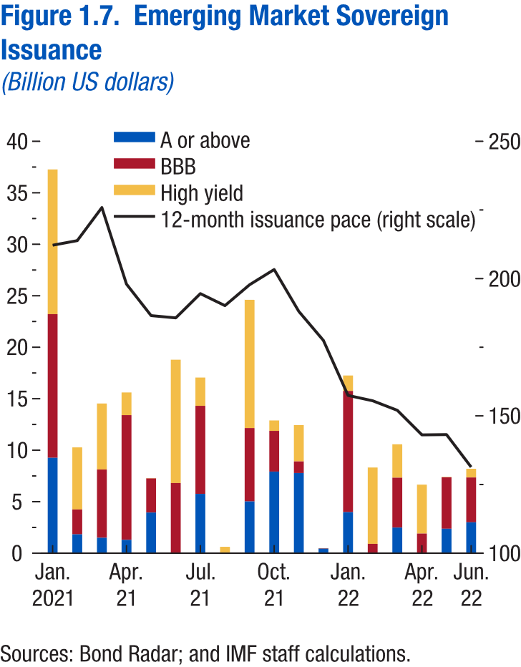
World Economic Outlook, July 2022 Update
 | Figure 1.7. Emerging Markets Sovereign Issuance
 | (Billion US dollars)

 | Data not available

